Emission Factor
ER Sheet Version Number | 4
Project name | 100 MW Solar Power plant in Maharashtra
GSID | GS7533
Completion date of version | 2024-01-10

CENTRAL ELECTRICITY AUTHORITY: CO2 BASELINE DATABASE |  |  |  |  |  |  |  | CENTRAL ELECTRICITY AUTHORITY: CO2 BASELINE DATABASE
VERSION | 19 |  |  |  |  |  |  | VERSION | 14
DATE | 2023-11-01 |  |  |  |  |  |  | DATE | 2018-12-01
Tool Applied | ACM0002 / Ver 22.0 and "Tool to Calculate the Emission Factor for an Electricity System", Version 7.0 |  |  |  |  |  |  | Tool Applied | ACM0002 / Ver 19.0 and "Tool to Calculate the Emission Factor for an Electricity System", Version 7.0

Net Generation in Operating Margin (GWH) (incl. Imports) |  |  |  |  |  |  |  | Net Generation in Operating Margin (GWH) (incl. Imports)
 |  | 2020-21 | 2021-22 | 2022-23 |  |  |  |  |  | 2015-16 | 2016-17 | 2017-18
Indian Grid |  | 958,218 | 1,035,672 | 1,117,846 |  |  |  | Indian Grid |  | 871,753 | 916,278 | 960,693

Simple Operating Margin (tCO2/MWh) (incl. Imports) (1) (2) |  |  |  |  |  |  |  | Simple Operating Margin (tCO2/MWh) (incl. Imports) (1) (2)
 |  | 2020-21 | 2021-22 | 2022-23 |  |  |  |  |  | 2015-16 | 2016-17 | 2017-18
Indian Grid |  | 0.9402 | 0.9605 | 0.9710 |  |  |  | Indian Grid |  | 0.9655 | 0.9636 | 0.9543

Build Margin (tCO2/MWh) (not adjusted for imports) |  |  |  |  |  |  |  | Build Margin (tCO2/MWh) (not adjusted for imports)
 |  |  |  | 2022-23 |  |  |  |  |  |  |  | 2017-18
Indian Grid |  |  |  | 0.8670 |  |  |  | Indian Grid |  |  |  | 0.8644

Weighted Generation Operating Margin |  |  |  |  |  |  |  | Weighted Generation Operating Margin
Indian Grid |  | 0.9580 |  |  |  |  |  | Indian Grid |  | 0.9610

Combined Margin Emission Factor |  |  |  |  |  |  |  | Combined Margin Emission Factor
Indian Grid |  | 0.9352 |  |  |  |  |  | Indian Grid |  | 0.9368

 |  |  |  |  | Baseline emission factor
 |  |  |  |  | (tCO2/MWh) | 0.9352 | *Conservative values have been chosen.

ER calculation
Project capacity (MW) |  |  | 100.00
PLF (%) |  |  | 19.25%
Emission Factor (tCO2/MW) |  |  | 0.9352

Degradation factor
Degradation factor is slope of the regression line. The larger the slope is, the larger the degradation over time.
As per below diagram slop = Rise / Run = (100%-84.8%)/25
Hence Slop / Degradation factor = | 0.70%

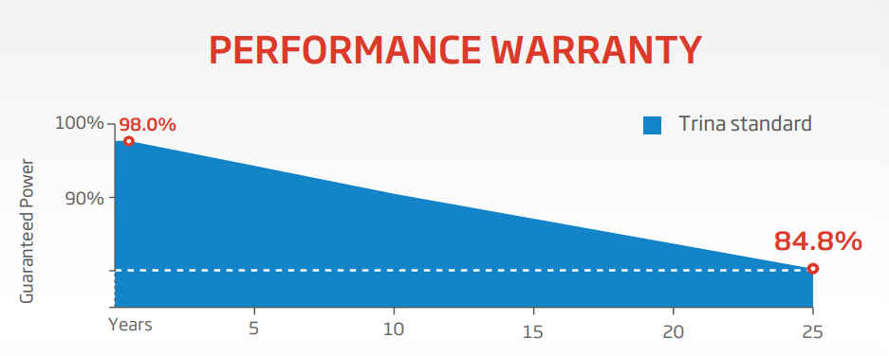

 |  |  |  | https://loopsolar.com/datasheet/trina-solar/datasheet-trina-solar-mono-crystalline-144-cell-half-cut-India-430w-435w-440w-445w-450w.pdf

