3.LocationFilter
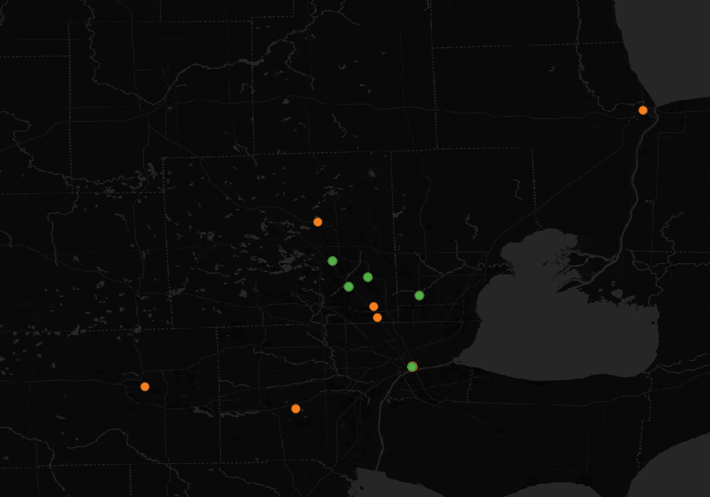
1. Geolocate all charging events to at least 4 decimal places
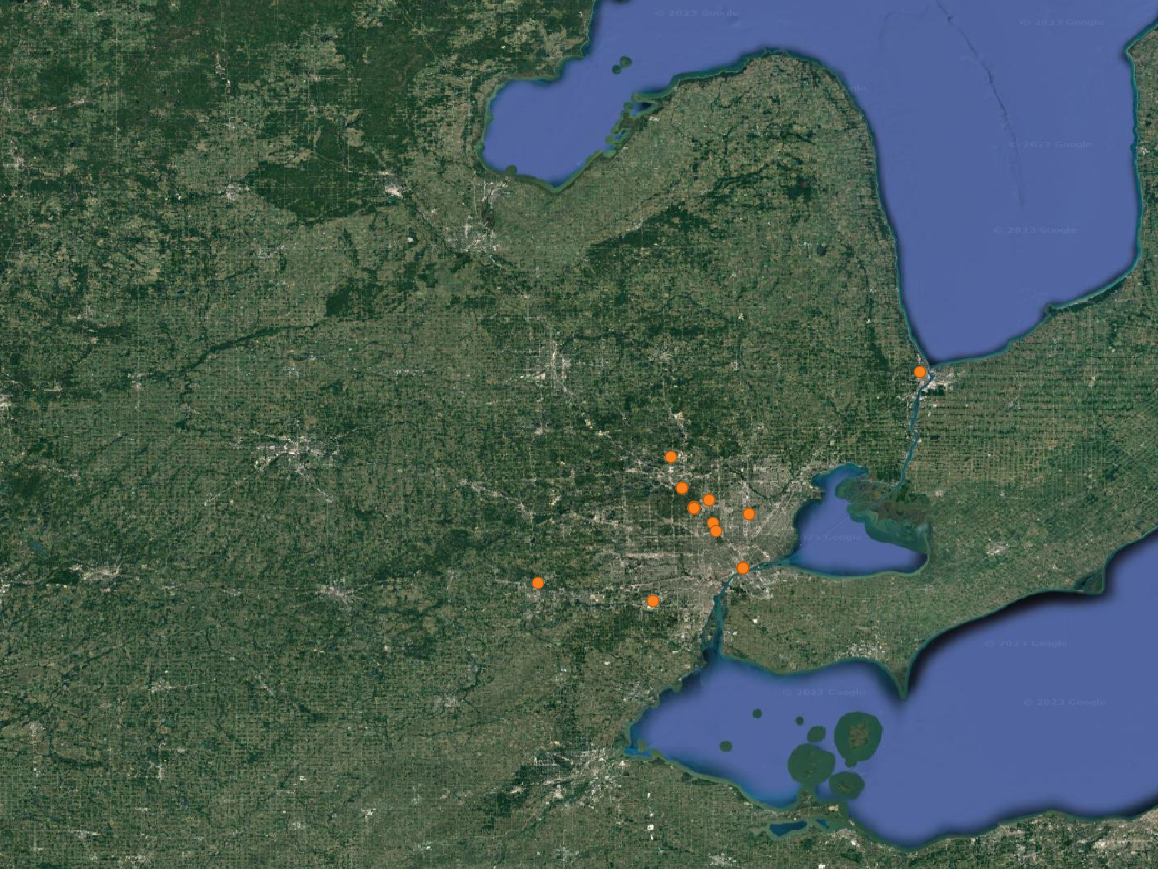

2. Exclude any charging that occurs in an area with an active compliance low carbon fuels program program
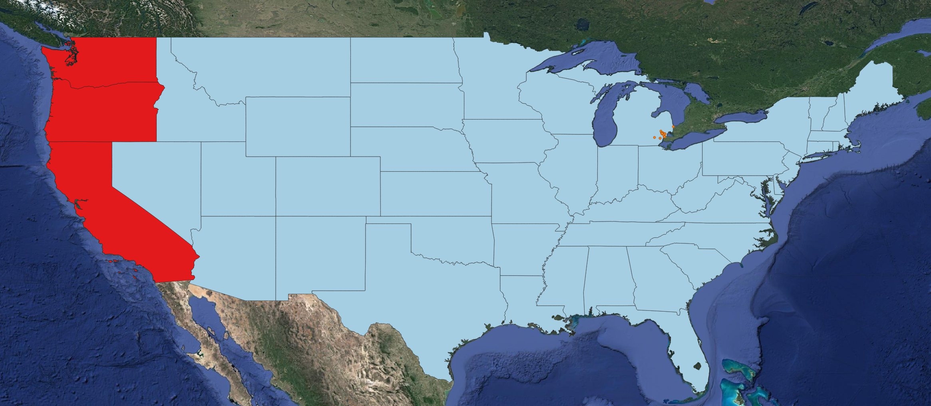

3. Exclude any charging that occurs within 50m of a DoE listed charging station (public and private).

 | Exclude | Include
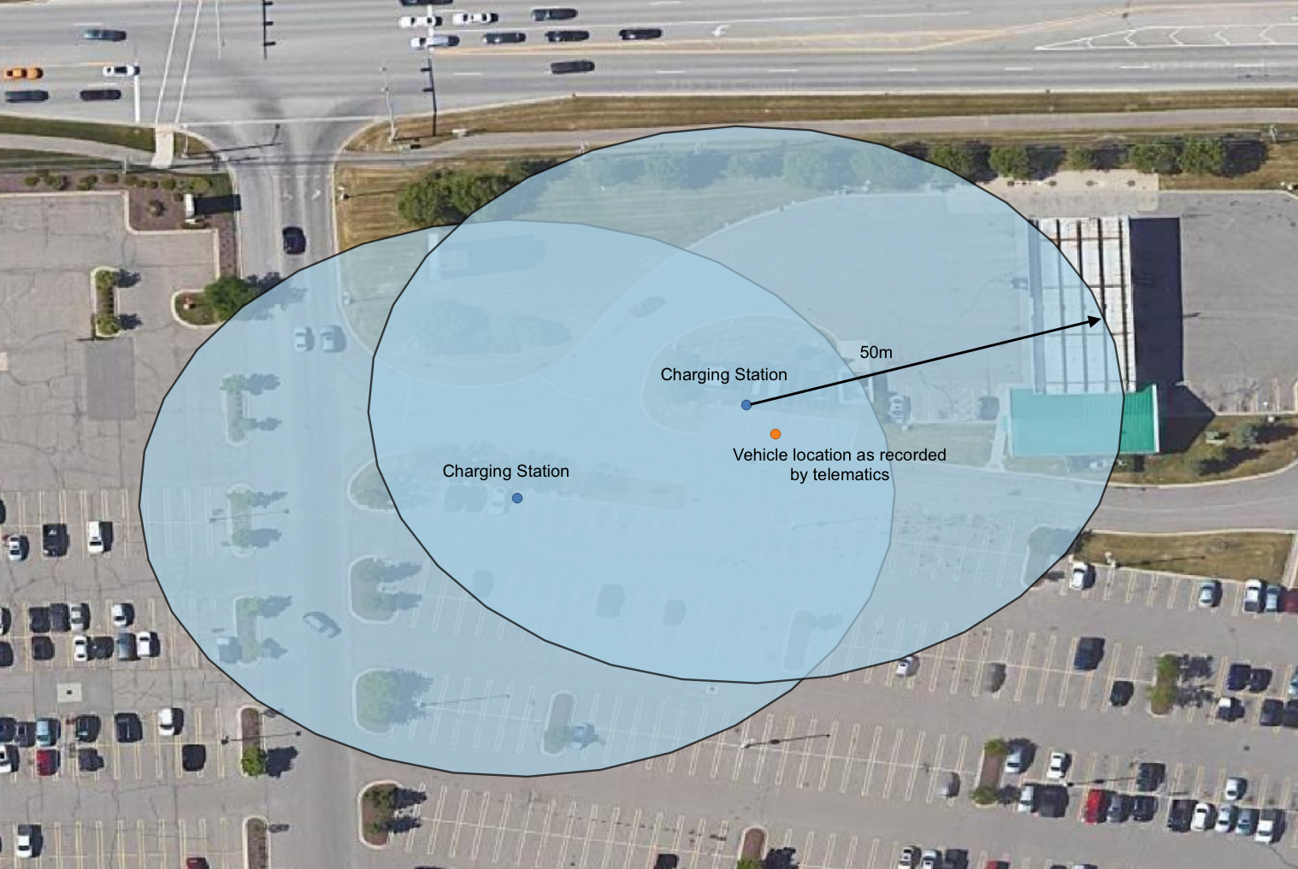
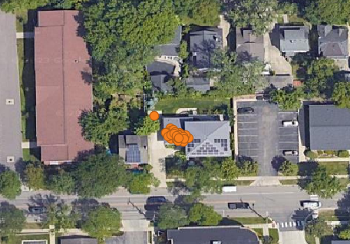

4. Exclude any charging that occurs within 50m of a VM0038-listed charger.

 | Rivian Charger | Electrify America
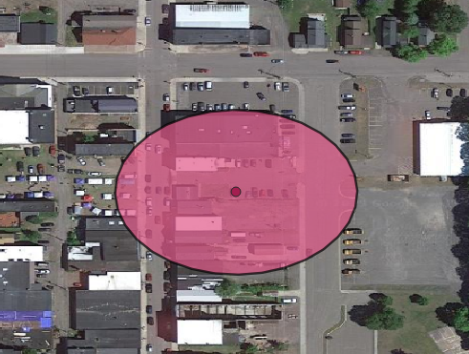
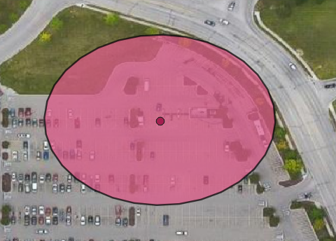

5. Retain final subset of charging for eligible project charging.

 | Green retained
 | Orange excluded

