Average Temp
Reference:
https://www.mgm.gov.tr/veridegerlendirme/il-ve-ilceler-istatistik.aspx?m=KONYA

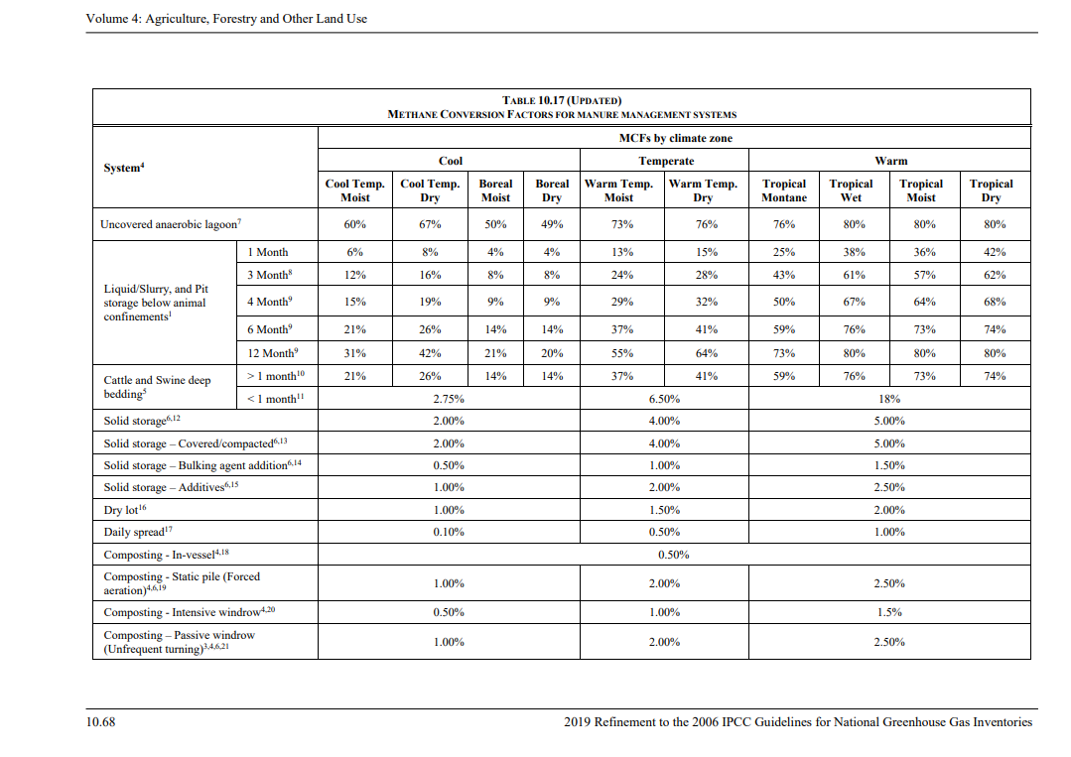

 | Reference link: file: https://www.ipcc-nggip.iges.or.jp/public/2019rf/pdf/4_Volume4/19R_V4_Ch10_Livestock.pdf

Project emission in 2022
Parameter | Unit | Description | Value | Caculation | Reference | Mark
PEAD,y (=PECH4) | tCO2e | Physical leakage of biogas in the manure management system that capture's CH4 | 1,774 | PECH4,y= QCH4,y × EFCH4,default × GWPCH4 | Tool: Project and leakage emissions from anaerobic digesters version 02 | -
QCH4,y | tCH4 | Quantity of methane produced in the anaerobic digester in year y | 2,263 | 𝑄𝐶𝐻4,𝑦 = 𝑄𝑏𝑖𝑜𝑔𝑎𝑠,𝑦 × 𝑓𝐶𝐻4,𝑑𝑒𝑓𝑎𝑢𝑙𝑡 × 𝜌𝐶𝐻4 | Tool 14 page 6: https://cdm.unfccc.int/methodologies/PAmethodologies/tools/am-tool-14-v2.pdf | Qbiogas,y = 5629623 m3 biogas in 2022 (01/07/2022 - 31/12/2022)
EFCH4,default | fraction |  | 0.028 |  | Tool: Project and leakage emissions from anaerobic digesters version 02 | Default emission factor for lined concrete digesters with a gas holding system.
GWPCH4 |  | Global warming potential of methane | 28 |  | IPCC Fifth Asessment Report (2014)
DCH4 | t/m3 | CH4 density at 20 degree of Celsius and 1 atm pressure | 0.00067 |  | Default Value
MCFj |  | Annual methane conversion factor for the baseline | 67.0% |  | IPCC 2006 Table 10.17, p.10.45,Chapter10, Volume 4 | Uncovered anaerobic lagoon for 14 Degrees Celcius
B0,LT | m3CH4/kg_dm | Maximum methane producing potential of the volatile solid generated | 0.24 |  | IPCC 2006 Table 10A-4, p.10.77,Chapter 10, Volume 4 | Dairy cow
MS%i,y |  | Fraction of manure handled in system i in year y | 100%
LT |  | All tpye of livestock

PEflare,y | tCO2 | Project emission from flaring of the residual gas stream | 0 | ∑TMRG,h*(1-fflare)*GWPCH4 | Tool to determine project esmission from flaring gas containing methane | Tool equation 15
GWPCH4 |  | Global warming potential of methane | 28
fflare |  | Flare efficiency | 50% |  | Equipment specification | Conservative value for open flare
TMRG,h |  | Mass flow rate of CH4 in the residual gas in hour h | 0 | FVRG,h*fvCH4,RG,h*pCH4,n
FVRG,h | m3/h | Volumetric flow rate of the residual gas in dry basis at normal conditions in the hour h | 0
fvCH4,RG,h | % | Volumetric flow rate of methane in dry basis at normal conditions in the hour h | 60% |  |  | Default value
DCH4,n | t/m3 | Density of methane at normal conditions | 0.00067

PEpower,y | tCO2 | Emission through electricity consumption | 579 | ECp,y*EFCO2,grid,y (1+TDLj,y)+FGf,y*FFf,y*NCVf,y
ECp,y | MWh | Quantity of the electricity imported from the grid and consumed by the project activity in year y | 981.6 |  | Internal consumption has been assumed as 10% of generation figures as per FSR
TDL | % | Transmission + Distribution Loss | 6.2% |  | https://www.epdk.gov.tr/Detay/Icerik/3-0-0-102/yillik-rapor-elektrik-piyasasi-gelisim-raporlari | Page 117 - Actual loss rate 2022
T | hour | Operational time | 7000
EFCO2,grid,y | tCO2/MWh | CO2 emission factor of the grid in year y | 0.5552

PEtransp,y | tCO2e | Emissions from incremental transportation in the year y | 1530 |  | Methodological tool “Project and leakage emissions from transportation of freight. | https://cdm.unfccc.int/methodologies/PAmethodologies/tools/am-tool-12-v1.1.0.pdf
Qmanure,j,LT,y | tons/a, wet basis | Quantity of manure treated from livestock type LT and animal manure management system j | 70,191
FR f,m | tonnes | Total mass of freight transported in freight transportation activity f in monitoring period m (t) | 70,191
EF co2,f | g CO2/t*km | Default CO2 emission factor for freight transportation activity f (g CO2/t km) | 129 |  | Methodological tool “Project and leakage emissions from transportation of freight. | https://cdm.unfccc.int/methodologies/PAmethodologies/tools/am-tool-12-v1.1.0.pdf
D f,m | km/truck | Return trip distance between the origin and destination of freight transportation activity f in monitoring period m (km) | 169

PE | tCO2e | Project emission | 3883 | PEPL,y+PEflare,y+PEy,power +PEstransp,y

 |  |  |  |  |  |  |  | Qmanure,j,LT,y (tons/a, wet basis) | Agricultural Waste (tonnes)
 |  |  |  |  |  |  | 2022 (01/07/2022-31.12.2022) | 70191 | 13633 | 83824 | 2022-08-22
 |  |  |  |  |  |  | 2023 | 160156 | 22293 | 182449 | 2023-01-01
Quantity of methane produced in the digester in year y (Reference tool: Tool 08 - Tool to determine the mass flow of a greenhouse gas in a gaseous stream version 03.0) |  |  |  |  |  |  | 2024 (1.01.2024-30.06.2024) | 74640 | 8869 | 83509 | 2024-01-01
Parameter | Unit | Description | Value | Calculation | Reference |  | Total in MP | 304987 | 44795 | #REF!
Fi,t, ch4 | tonne gas/MP | Mass flow of greenhouse gas i in the gaseous stream in time interval t | 51,729 | - | calculated (for CH4)
Fi,t, ch4 | kg gas/MP | Mass flow of greenhouse gas i in the gaseous stream in time interval t | 51,728,705.6 |  | calculated (for CH4)
Vt,db | m³ dry gas/MP | Volumetric flow of the gaseous stream in time interval t on a dry basis | 22,663,794.0 | - |  |  |  | Vt,db (m³ dry gas/year) | Vt,db (ton CH4/year)
Vt,db | m³ dry gas/h | Volumetric flow of the gaseous stream in time interval t on a dry basis |  | - | Plant operates 7000 hours/year in design average |  | 2022 (01/07/2022-31.12.2022) | 5629623 | 13,550.35
Vi,t,db | m³ gas /m³ dry gas | Volumetric fraction of greenhouse gas i in the gaseous stream in a time interval t on a dry basis |  | - | Project and leakage emissions from anaerobic digesters https://cdm.unfccc.int/methodologies/PAmethodologies/tools/am-tool-14-v2.pdf |  | 2023 | 14663657 | 32,744.58
ρi,t | kg gas /m³ gas | Density of greenhouse gas i in the gaseous stream in time interval t | 4.06 |  | calculated |  | 2024 (1.01.2024-30.06.2024) | 2370514 | 5,433.78
Pt | Pa | Absolute pressure of the gaseous stream in time interval t | 600 | - | Site record (2mbar (200pa) - 6 (600pa) mbar, blowerda 120 (12000pa) mbar çıkarılır)
Mmi | kg/kmol | Molecular mass of greenhouse gas i | 16.04 | - | For CH4 |  |  |  | %CH4 in dry gas
Ru | Pa.m3 /kmol.K | Universal ideal gases constant | 8.314 | - | constant |  |  | 2022 | 59.23 | 56.862222222
Tt | K | Temperature of the gaseous stream in time interval t | 284.85 | - | 310,15 K (37 C) site records |  |  | 2023 | 54.95
 |  |  |  |  |  |  |  | 2024 | 56.41

