Estimated ER (RCP)
Factor | t CO2 / MWh | https://enerji.gov.tr//Media/Dizin/EVCED/tr/%C3%87evreVe%C4%B0klim/%C4%B0klimDe%C4%9Fi%C5%9Fikli%C4%9Fi/TUESEmisyonFktr/Belgeler/TUESEF_Bilgi_Formu.pdf
OM | 0.7279
BM | 0.3541
CM | 0.44755

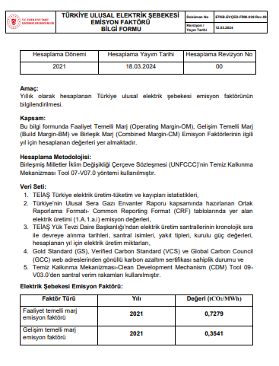
 |  |  |  |  | Generation During Total Crediting Period
For SDG 7 - Annual Electricity Generation |  |  | 428,624 | MWh/year | 4,286,240 | MWh

For SDG 13 - Emission Reduction Calculations |  |  |  |  | 191,830 | Average Annual ER

Year |  | Days | Estimation of project activity emissions (tonnes of CO2e) | Estimation of baseline emissions (tonnes of CO2e) | Estimation of leakage (tonnes of CO2e) | Estimation of overall emission reductions (tonnes of CO2e)
08/03/2024 | 31/12/2024 | 299 | 0 | 157,143 | 0 | 157,143
2025 |  | 365 | 0 | 191,830 | 0 | 191,830
2026 |  | 365 | 0 | 191,830 | 0 | 191,830
2027 |  | 365 | 0 | 191,830 | 0 | 191,830
2028 |  | 365 | 0 | 191,830 | 0 | 191,830
2029 |  | 365 | 0 | 191,830 | 0 | 191,830
2030 |  | 365 | 0 | 191,830 | 0 | 191,830
2031 |  | 365 | 0 | 191,830 | 0 | 191,830
2032 |  | 365 | 0 | 191,830 | 0 | 191,830
2033 |  | 365 | 0 | 191,830 | 0 | 191,830
01/01/2034 | 07/03/2034 | 66 | 0 | 34,687 | 0 | 34,687
Total |  |  | 0 | 1,918,300 | 0 | 1,918,300

