SOX NOX
Total SO2 emission related to electricity generation is about 1,488.80 kt for 2020 according to National Inventory of Turkey. Considering that electricity generation in 2020 is 306,703.10 GWh , SO2 emission per MWh is calculated as 4.85 kg/MWh. Total NOx emission related to electricity generation is about 320.68 kt for 2020 according to National Inventory of Turkey. NOx emission per MWh is calculated as 1.05 kg/MWh. |  |  |  |  |  |  | Electricity Generated in the Project (MWh) | 410,957.00

Indicator #1 Air Quality
SO2 Emission (2020) | 1,488.80 | kt | NOx Emission (2020) | 320.68 | kt | Source
Electricity Generation (2020) | 306,703.10 | GWh | Electricity Generation (2020) | 306,703.10 | GWh | National GHG Inventory Report | https://unfccc.int/documents/461898
SO2 EF | 4.85 | kg/MWh | NOx EF | 1.05 | kg/MWh | TEIAS Statistics | https://webapi.teias.gov.tr/file/56774b2a-087b-4431-9479-29f1cb5d0d87?download
SO2 reduction for Generation | 1,994 | tons | NOx reduction for Generation | 430 | tons
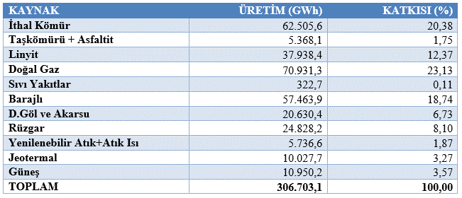

 | Ex-ante Electricity Generation (MWh) | BE(tSOX) | PE | Ex-ante ER (tSOX) | date 1 | date 2 | # of days
16/09/2019-31/12/2019 | 47,842.19 | 232 | 0 | 232 | 2019-09-16 | 2019-12-31 | 106
2020 | 163,200.00 | 792 | 0 | 792 | 2020-01-01 | 2020-12-31 | 365
2021 | 163,200.00 | 792 | 0 | 792 | 2021-01-01 | 2021-12-31 | 364
01/01/2022-01/02/2022 | 14,307.95 | 69 | 0 | 69 | 2022-01-01 | 2022-02-01 | 31
Total | 388,550.14 | 1,886 | 0 | 1,886 |  |  | 866

 | Ex-ante Electricity Generation (MWh) | BE(tNOX) | PE | Ex-ante ER(tNOX) | date 1 | date 2 | # of days
16/09/2019-31/12/2019 | 47,842.19 | 50 | 0 | 50 | 2019-09-16 | 2019-12-31 | 106
2020 | 163,200.00 | 170 | 0 | 170 | 2020-01-01 | 2020-12-31 | 365
2021 | 163,200.00 | 170 | 0 | 170 | 2021-01-01 | 2021-12-31 | 364
01/01/2022-01/02/2022 | 14,307.95 | 14 | 0 | 14 | 2022-01-01 | 2022-02-01 | 31
Total | 388,550.14 | 406 | 0 | 406 |  |  | 866

 | Actual Electricity Generation (MWh) | BE(tSOX) | PE | ER (tSOX) | date 1 | date 2 | # of days
16/09/2019-31/12/2019 | 47,966.36 | 232 | 0 | 232 | 2019-09-16 | 2019-12-31 | 106
2020 | 181,212.21 | 879 | 0 | 879 | 2020-01-01 | 2020-12-31 | 365
2021 | 166,896.47 | 810 | 0 | 810 | 2021-01-01 | 2021-12-31 | 364
01/01/2022-01/02/2022 | 14,881.96 | 72 | 0 | 72 | 2022-01-01 | 2022-02-01 | 31
Total | 410,957.00 | 1,994 | 0 | 1,994 |  |  | 866

 | Actual Electricity Generation (MWh) | BE(tNOX) | PE | ER (tNOX) | date 1 | date 2 | # of days
16/09/2019-31/12/2019 | 47,966.36 | 50 | 0 | 50 | 2019-09-16 | 2019-12-31 | 106
2020 | 181,212.21 | 189 | 0 | 189 | 2020-01-01 | 2020-12-31 | 365
2021 | 166,896.47 | 174 | 0 | 174 | 2021-01-01 | 2021-12-31 | 364
01/01/2022-01/02/2022 | 14,881.96 | 15 | 0 | 15 | 2022-01-01 | 2022-02-01 | 31
Total | 410,957.00 | 429 | 0 | 429 |  |  | 866

 | Ex-ante ER (tSO2) | Ex-ante ER(tNOX) | Actual ER (tSO2) | Actual ER (tNOX) | % Difference in ER SO2 | % Difference in ER Nox
16/09/2019-31/12/2019 | 232 | 50 | 232 | 50 | 0.0% | 0.0%
2020 | 792 | 170 | 879 | 189 | 11.0% | 10.1%
2021 | 792 | 170 | 810 | 174 | 2.3% | 2.3%
01/01/2022-01/02/2022 | 69 | 14 | 72 | 15 | 4.3% | 6.7%
Total | 1,886 | 406 | 1,994 | 429 | 5.7% | 5.4%

