ER
ERy = BEy - PEy |  |  |  |  |  | Years | Estimation of baseline emissions in tons of CO2e | Estimation of project emissions in tons of CO2e | Estimation emission reductions in tons of CO2e | Estimation of electricity generation | date 1 | date 2 | # number of days | date 1 | date 2 | # number of days
 | Description | Value | Unit | Reference |  | 01/04/2017-01/01/2018 (275 Days) | 11,125 | 0 | 11,125 | 24,102 | 2017-04-01 | 2017-12-31 | 275 | 2017-04-01 | 2022-11-24 | 2,064
ERy | Emission Reductions in year y | 14,766 | tCO2e/yr |  |  | 2018 | 14,766 | 0 | 14,766 | 31,990
BEy | Baseline Emissions in year y | 14,766 | tCO2e/yr |  |  | 2019 | 14,766 | 0 | 14,766 | 31,990
BEy | Baseline Emissions in year y | 14,766 | tCO2e/yr |  |  | 2020 | 14,766 | 0 | 14,766 | 31,990 |  |  |  | The GS VER credit that will be excluded from the 2nd crediting period | 83,498.00
EGfacility,y | Quantity of net electricity generation supplied by the project plant/unit to the grid in year y | 31,990 | MWh/yr |  |  | 2021 | 14,766 | 0 | 14,766 | 31,990 |  |  |  | GS VER will be left after not claimed credits | 19,904.00
EFgrid,CM,y | Combined margin CO2 emission factor for grid connected power generation in year y calculated using the latest version of the “Tool to calculate the emission factor for an electricity system” | 0.4616 | t CO2/MWh | Bform2020.pdf |  | 2022 | 14,766 | 0 | 14,766 | 31,990
PEy | The proposed project activity involves the generation of electricity which does not cause any significant emissions. Therefore project emissions are considered as “0”. | 0 |  |  |  | 2023 | 14,766 | 0 | 14,766 | 31,990
PEy | Project Emissions in year y | 0 | tCO2e/yr |  |  | 01/01/2024-30/03/2024 (91 Days) | 3,681 | 0 | 3,681 | 7,976 | 2024-01-01 | 2024-03-31 | 91
 |  |  |  |  |  | TOTAL CREDITING PERIOD | 7 years |  |  | 32,003
 |  |  |  |  |  | ANNUAL AVERAGE | 14,772 | 0 | 14,772 | 224,018
 |  |  |  |  |  | TOTAL | 103,402 | 0 | 103,402 |  | Total (number of days) |  | 366

BEy = EGfacility,y x EFgrid,CM,y

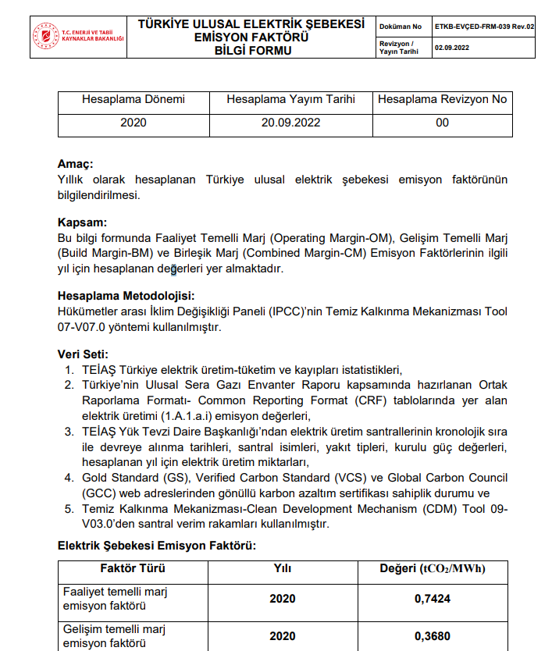

Weighting factor
 | WOM | WBM
For solar, wind Projects | 0.75 | 0.25
All other Projects; 1st crediting period | 0.5 | 0.5
2nd - 3rd crediting period | 0.25 | 0.75

Operational and build margin values were taken from the Ministry of Energy and Natural Resources 2019 calculations(most recent value). CM has been calculated according to the weighing factors stated in the methodology.
 |  |  | OM | 0.7424 | tCO2/MWh
 |  |  | BM | 0.368 | tCO2/MWh
 |  |  | CM | 0.4616 | tCO2/MWh
https://enerji.gov.tr/Media/Dizin/EVCED/tr/%C3%87evreVe%C4%B0klim/%C4%B0klimDe%C4%9Fi%C5%9Fikli%C4%9Fi/T%C3%BCrkiyeUlusalElektrik%C5%9EebekesiEmisyonFakt%C3%B6r%C3%BC/Belgeler/EK-2.pdf

NOx-SOx
Source |  | Indicator : Air Quality | Value | Unit
..\References\turkey-s-irr-2021_tr_20211101034946.pdf |  | SO2 Emission (2020) | 2,455.00 | Gg | https://webdosya.csb.gov.tr/db/cygm/menu/turkey-s-irr-2021_tr_20211101034946.pdf |  |  | KAYNAK | ÜRETİM (GWh) | KATKISI (%)
..\References\turkey-s-irr-2021_tr_20211101034946.pdf |  | NOx Emission (2020) | 779.00 | Gg | https://webdosya.csb.gov.tr/db/cygm/menu/turkey-s-irr-2021_tr_20211101034946.pdf |  |  | İthal Kömür | 62.505,6 | 20,38
..\References\38-Grafik III.I - 2020 Yılı Türkiye Elektrik Enerjisi Üretiminin Kaynaklara Göre Dağılımı.docx |  | National Electricity Generation 2020 | 306,703.10 | GWh |  |  |  | Taşkömürü + Asfaltit | 5.368,1 | 1,75
 |  | SO2 EF | 8.00 | kg/MWh |  |  |  | Linyit | 37.938,4 | 12,37
 |  | NOx EF | 2.54 | kg/MWh |  |  |  | Doğal Gaz | 70.931,3 | 23,13
 |  | Net Electricity Production (MWh) | 31,990.00 | MWh |  |  |  | Sıvı Yakıtlar | 322,7 | 0,11
 |  | Annual Estimated SOx reduction | 256.06 | tons |  |  |  | Barajlı | 57.463,9 | 18,74
 |  | Annual Estimated NOx reduction | 81.25 | tons |  |  |  | D.Göl ve Akarsu | 20.630,4 | 6,73
 |  |  |  |  |  |  |  | Rüzgar | 24.828,2 | 8,10
 |  |  |  |  |  |  |  | Yenilenebilir Atık+Atık Isı | 5.736,6 | 1,87
 |  |  |  |  |  |  |  | Jeotermal | 10.027,7 | 3,27
NOX |  |  |  |  |  |  |  | Güneş | 10.950,2 | 3,57
B.6.4. Summary of ex ante estimates of emission reductions | Baseline estimate | Project estimate | Net benefit |  | date 1 | date 2 | # number of days | TOPLAM | 306.703,1 | 100,00
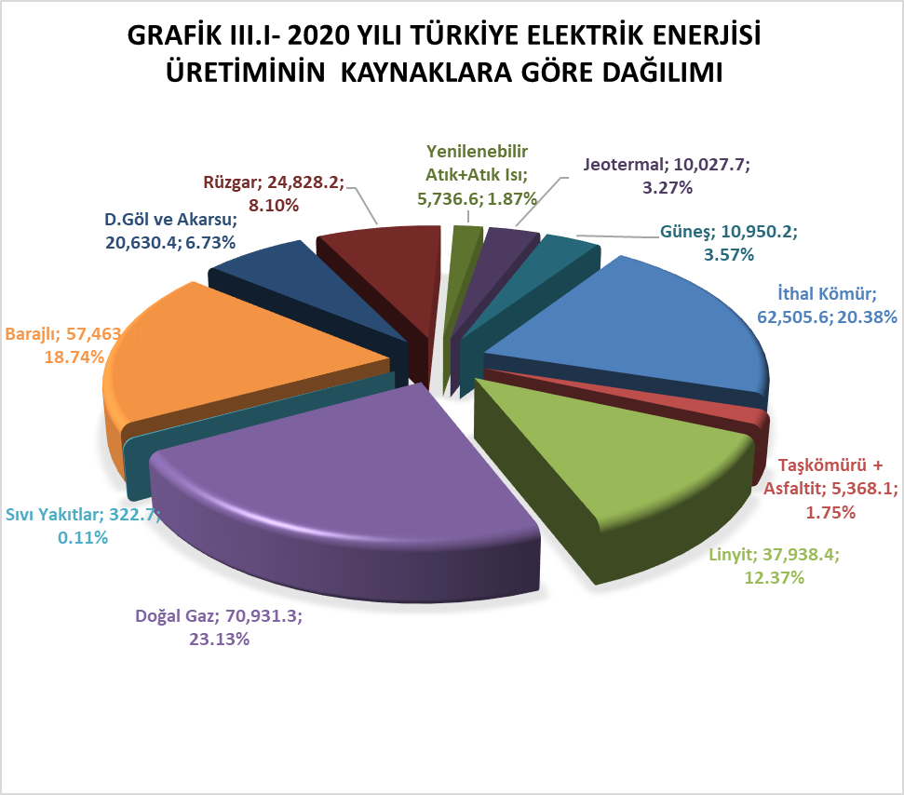
01/04/2017-01/01/2018 (275 Days) | 61 | 0 | 61 |  | 2017-04-01 | 2017-12-31 | 275
2018 | 81 | 0 | 81
2019 | 81 | 0 | 81
2020 | 81 | 0 | 81
2021 | 81 | 0 | 81
2022 | 81 | 0 | 81
2023 | 81 | 0 | 81
01/01/2024-30/03/2024 (91 Days) | 20 | 0 | 20 |  | 2024-01-01 | 2024-03-31 | 91
Annual Average | 81 | 0 | 81
Total | 569 | 0 | 569
 |  |  |  |  | Total (number of days) |  | 366
SOX
B.6.4. Summary of ex ante estimates of emission reductions | Baseline estimate | Project estimate | Net benefit |  | date 1 | date 2 | # number of days
01/04/2017-01/01/2018 (275 Days) | 192 | 0 | 192 |  | 2017-04-01 | 2017-12-31 | 275
2018 | 256 | 0 | 256
2019 | 256 | 0 | 256
2020 | 256 | 0 | 256
2021 | 256 | 0 | 256
2022 | 256 | 0 | 256
2023 | 256 | 0 | 256
01/01/2024-30/03/2024 (91 Days) | 63 | 0 | 63 |  | 2024-01-01 | 2024-03-31 | 91
Annual Average | 256 | 0 | 256
Total | 1791 | 0 | 1791
 |  |  |  |  | Total (number of days) |  | 366

