Emission Factor
Parameter | Year | Value
Build Margin |  | 0.3680 | As per paragraph 72 of CDM Tool 07 Version 7.0, for the third crediting period, the build margin emission factor calculated for the second crediting period is used.
Operating Margin | 2021 | 0.7279

Weighting factor |  |  |  | Reference
 | WOM | WBM |  | Operational and build margin values were taken from the Ministry of Energy and Natural Resources 2021 calculations (most recent value). CM has been calculated according to the weighing factors stated in the methodology.
For solar, wind projects | 0.75 | 0.25
All other Projects; 1st crediting period | 0.5 | 0.5
All other Projects; 2nd - 3rd crediting period | 0.25 | 0.75 |  | https://enerji.gov.tr//Media/Dizin/EVCED/tr/%C3%87evreVe%C4%B0klim/%C4%B0klimDe%C4%9Fi%C5%9Fikli%C4%9Fi/TUESEmisyonFktr/Belgeler/TUESEF_Bilgi_Formu.pdf

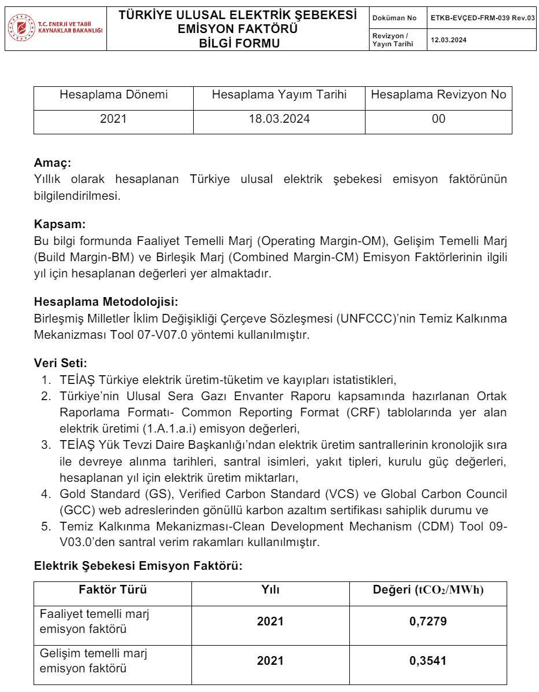
Combined Margin (tCO2/MWh) | 2021 | 0.4580

NOx-SO2
Indicator: Air Quality | Value | Unit | Source
SO2 Emission (2021) | 2,693 | Gg | https://unfccc.int/documents/627786?gad_source=1&gclid=CjwKCAjw34qzBhBmEiwAOUQcFxnr1Z6hgWDvOCcdLovBOmcmQ279tWC0ubf5r1P1YqtZv_c2vw7-2xoClKoQAvD_BwE
NOx Emission (2021) | 981.00 | Gg | https://unfccc.int/documents/627786?gad_source=1&gclid=CjwKCAjw34qzBhBmEiwAOUQcFxnr1Z6hgWDvOCcdLovBOmcmQ279tWC0ubf5r1P1YqtZv_c2vw7-2xoClKoQAvD_BwE
National Electricity Generation 2021 | 334,723.10 | GWh | https://www.teias.gov.tr/tr-TR/turkiye-elektrik-uretim-iletim-istatistikleri | 38-Grafik III.I - 2021 Yılı Türkiye Elektrik Enerjisi Üretiminin Kaynaklara Göre Dağılımı
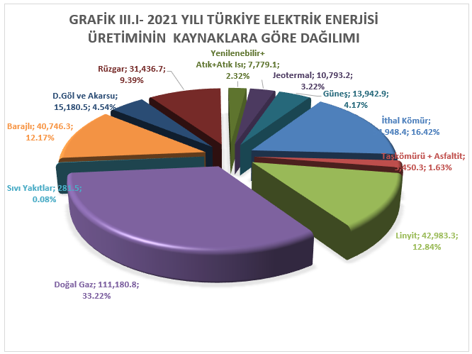
SO2 EF | 8.05 | kg/MWh | Calculated |  |  |  |  | KAYNAK | ÜRETİM (GWh) | KATKISI (%)
NOx EF | 2.93 | kg/MWh | Calculated |  |  |  |  | İthal Kömür | 54.948,4 | 16,42
Net Electricity Production (MWh) | 31,990 | MWh | Generation License |  |  |  |  | Taşkömürü + Asfaltit | 5.450,3 | 1,63
Annual Estimated SOx reduction | 257.37 | tons | Calculated |  |  |  |  | Linyit | 42.983,3 | 12,84
Annual Estimated NOx reduction | 93.76 | tons | Calculated |  |  |  |  | Doğal Gaz | 111.180,8 | 33,22
 |  |  |  |  |  |  |  | Sıvı Yakıtlar | 281,5 | 0,08
 |  |  |  |  |  |  |  | Barajlı | 40.746,3 | 12,17
 |  |  |  |  |  |  |  | D.Göl ve Akarsu | 15.180,5 | 4,54
NOX EMISSIONS |  |  |  |  |  |  |  | Rüzgar | 31.436,7 | 9,39
B.6.4. Summary of ex ante estimates of emission reductions | Baseline estimate | Project estimate | Net benefit |  | date 1 | date 2 | # number of days | Yenilenebilir+Atık+Atık Isı | 7.779,1 | 2,32
01/04/2024-31/12/2024 (275 Days) | 70 | 0 | 70.00 |  | 2024-04-01 | 2024-12-31 | 275 | Jeotermal | 10.793,2 | 3,22
2025 | 94 | 0 | 93.76 |  |  |  |  | Güneş | 13.942,9 | 4,17
2026 | 94 | 0 | 93.76 |  |  |  |  | TOPLAM | 334.723,1 | 100,00
2027 | 94 | 0 | 93.76
2028 | 94 | 0 | 93.76
2029 | 94 | 0 | 93.76
2030 | 93.76 | 0 | 93.76
01/01/2031-31/03/2031 (90 Days) | 23 | 0 | 23.00 |  | 2031-01-01 | 2031-03-31 | 90
Annual Average | 94 | 0 | 93.65
Total | 656 | 0 | 655.53 |  | Total (number of days) |  | 365

SOX EMISSIONS
B.6.4. Summary of ex ante estimates of emission reductions | Baseline estimate | Project estimate | Net benefit |  | date 1 | date 2 | # number of days
01/04/2024-31/12/2024 (275 Days) | 193 | 0 | 193.00 |  | 2024-04-01 | 2024-12-31 | 275
2025 | 257 | 0 | 257.37
2026 | 257 | 0 | 257.37
2027 | 257 | 0 | 257.37
2028 | 257 | 0 | 257.37
2029 | 257 | 0 | 257.37
2030 | 257 | 0 | 257.37
01/01/2031-31/03/2031 (90 Days) | 63 | 0 | 63.00 |  | 2031-01-01 | 2031-03-31 | 90
Annual Average | 257 | 0 | 257.18
Total | 1800 | 0 | 1800.24 |  | Total (number of days) |  | 365

