SD Parameters
over the crediting period | Electricity Generated in the Project (MWh) | 517,650.00

 | Total SO2 emission related to electricity generation is about 1,488.80 kt for 2020 according to National Inventory of Turkey . Considering that electricity generation in 2020 is 306,703.10 GWh , SO2 emission per MWh is calculated as 4.85 kg/MWh. Total NOx emission related to electricity generation is about 320.68 kt for 2020 according to National Inventory of Turkey . NOx emission per MWh is calculated as 1.05 kg/MWh.

Source | Indicator #1 Air Quality
National GHG Inventory Report | SO2 Emission (2020) | 1,488.80 | kt | NOx Emission (2020) | 320.68 | kt | https://unfccc.int/documents/461898
TEIAS Statistics | Electricity Generation (2020) | 306,703.10 | GWh | Electricity Generation (2020) | 306,703.10 | GWh | https://webapi.teias.gov.tr/file/56774b2a-087b-4431-9479-29f1cb5d0d87?download
 | SO2 EF | 4.85 | kg/MWh | NOx EF | 1.05 | kg/MWh
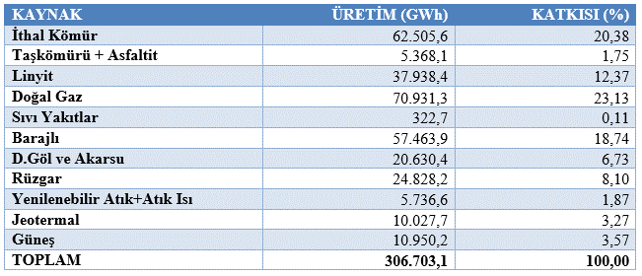
over the crediting period | SO2 reduction for Generation | 2,512,775.14 | tons | NOx reduction for Generation | 541,240.05 | tons
 | SO2 reduction for Generation | 358,967.88 | tons/year | NOx reduction for Generation | 77,320.01 | tons/year

