Areas_TimberHarvestSchedule
Timber harvest schedule (following UFA 10-064 Forest Management Plan) during the monitoring period 2022-2023

A_{t+} = Cumulative area harvested until time t*
 |  |  | Surface areas calculated from the shapefile 'project-strata-AAC-v2'
 |  |  | Ai,p [ha] |  | Ap [ha] |  | Areas calculated in the ex-ante calculations document
 |  |  | DHC | S | Total |  | Ai,t* [ha] |  | At* [ha]
Planned year of harvest | UFE | AAC |  |  |  | Project year | DHC | S | Total
2018 | 4 | 4.2 | 2,584 | 212 | 2,797 | 2018 | 2,584 | 212 | 2,797
2019 | 4 | 4.3 | 2,717 | 75 | 2,793 | 2019 | 5,302 | 288 | 5,589
2020 | 4 | 4.4 | 2,416 | 221 | 2,637 | 2020 | 7,718 | 509 | 8,226
2021 | 4 | 4.5 | 2,332 | 303 | 2,635 | 2021 | 10,049 | 812 | 10,861
2022 | 5 | 5.1 | 2,196 | 251 | 2,447 | 2022 | 12,245 | 1,063 | 13,308
2023 | 5 | 5.2 | 2,095 | 854 | 2,949 | 2023 | 14,340 | 1,917 | 16,257
 |  |  | 14,340 | 1,917 | 16,257

 |  |  | Where:
 |  |  | DHC | Primary forest
 |  |  | S | Secondary forest

Project schedule

TH_{P} = Number of years since timber harvest in in land parcel p
Project year | 2022 | 2023
Parcel, p | THp [years] |  |  |  |  | AAC 4-2 to 4.5 have been exempted from logging in the past monitoring period(s) (2018-2021). These AACs also enter in the calculations of the VCU, as the VM0010 v1.3 guidelines (see below for the project area schedule)
4-2 | 5 | 6
4-3 | 4 | 5
4-4 | 3 | 4
4-5 | 2 | 3
5-1 | 1 | 2
5-2 | - | 1

Project scheduled area (divided per stratum)

These values were retrieved from the validated and verified ex-ante calculations

A_{1,p} = The area of land parcel p that was harvested 1 year ago
Project year | 2022 | 2023 |  |  |  |  | Project year | 2022 | 2023 |  |  | Project year | 2022 | 2023
Parcel, p | A1,DHC,p [ha] |  |  | Project year | ΣA1,DHC,p [ha] |  | Parcel, p | A1,S,p [ha] |  | Project year | ΣA1,S,p [ha] | Parcel, p | A1,p [ha] |  | Project year | ΣA1,p [ha]
4-2 | - | - |  | 2022 | 2,196 |  | 4-2 | - | - | 2022 | 251 | 4-2 | - | - | 2022 | 2,447
4-3 | - | - |  | 2023 | 2,095 |  | 4-3 | - | - | 2023 | 854 | 4-3 | - | - | 2023 | 2,949
4-4 | - | - |  |  |  |  | 4-4 | - | - |  |  | 4-4 | - | -
4-5 | - | - |  |  |  |  | 4-5 | - | - |  |  | 4-5 | - | -
5-1 | 2196 | - |  |  |  |  | 5-1 | 251 | - |  |  | 5-1 | 2,447 | -
5-2 | - | 2095 |  |  |  |  | 5-2 | - | 854 |  |  | 5-2 | - | 2,949

A_{2-10,p} = The area of land parcel p that was harvested between 2 and 10 years ago
Project year | 2022 | 2023 |  |  |  |  | Project year | 2022 | 2023 |  |  | Project year | 2022 | 2023
Parcel, p | A2-10, DHC,p [ha] |  |  | Project year | ΣA2-10,DHC,p [ha] |  | Parcel, p | A2-10,S,p [ha] |  | Project year | ΣA2-10,S,p [ha] | Parcel, p | A2-10,p [ha] |  | Project year | ΣA1,p [ha]
4-2 | 2,584 | 2,584 |  | 2022 | 10,049.28 |  | 4-2 | 212 | 212 | 2022 | 811.95 | 4-2 | 2,797 | 2,797 | 2022 | 10,861
4-3 | 2,717 | 2,717 |  | 2023 | 12,245.07 |  | 4-3 | 75 | 75 | 2023 | 1,063.13 | 4-3 | 2,793 | 2,793 | 2023 | 13,308
4-4 | 2,416 | 2,416 |  |  |  |  | 4-4 | 221 | 221 |  |  | 4-4 | 2,637 | 2,637
4-5 | 2,332 | 2,332 |  |  |  |  | 4-5 | 303 | 303 |  |  | 4-5 | 2,635 | 2,635
5-1 | - | 2,196 |  |  |  |  | 5-1 | - | 251 |  |  | 5-1 | - | 2,447
5-2 | - | - |  |  |  |  | 5-2 | - | - |  |  | 5-2 | - | -

A_{11-20,p} = The area of land parcel p that was harvested between 11 and 20 years ago
Project year | 2022 | 2023 |  | Project year | ΣA11-20,DHC,p [ha] |  | Project year | 2022 | 2023 |  |  | Project year | 2022 | 2023
Parcel, p | A11-20, DHC,p [ha] |  |  | 2022 | - |  | Parcel, p | A11-20,S,p [ha] |  | Project year | ΣA11-20,S,p [ha] | Parcel, p | A11-20,p [ha] |  | Project year | ΣA1,p [ha]
4-2 | - | - |  | 2023 | - |  | 4-2 | - | - | 2022 | - | 4-2 | - | - | 2022 | -
4-3 | - | - |  |  |  |  | 4-3 | - | - | 2023 | - | 4-3 | - | - | 2023 | -
4-4 | - | - |  |  |  |  | 4-4 | - | - |  |  | 4-4 | - | -
4-5 | - | - |  |  |  |  | 4-5 | - | - |  |  | 4-5 | - | -
5-1 | - | - |  |  |  |  | 5-1 | - | - |  |  | 5-1 | - | -
5-2 | - | - |  |  |  |  | 5-2 | - | - |  |  | 5-2 | - | -

PRJ_Illegal_Logging
Illegal Deforestation Monitoring (Project Area, conservatively not used for accounting) |  |  |  |  | Illegal Deforestation Monitoring (whole area of AACs included in the project, conservatively used for accounting)

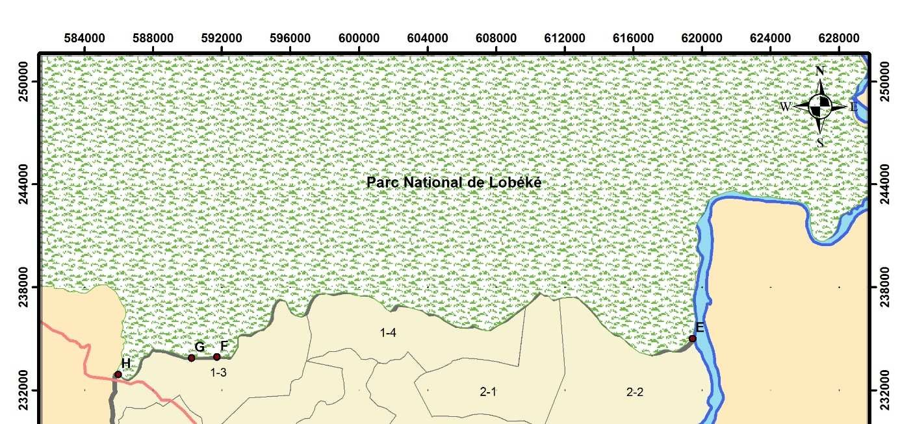
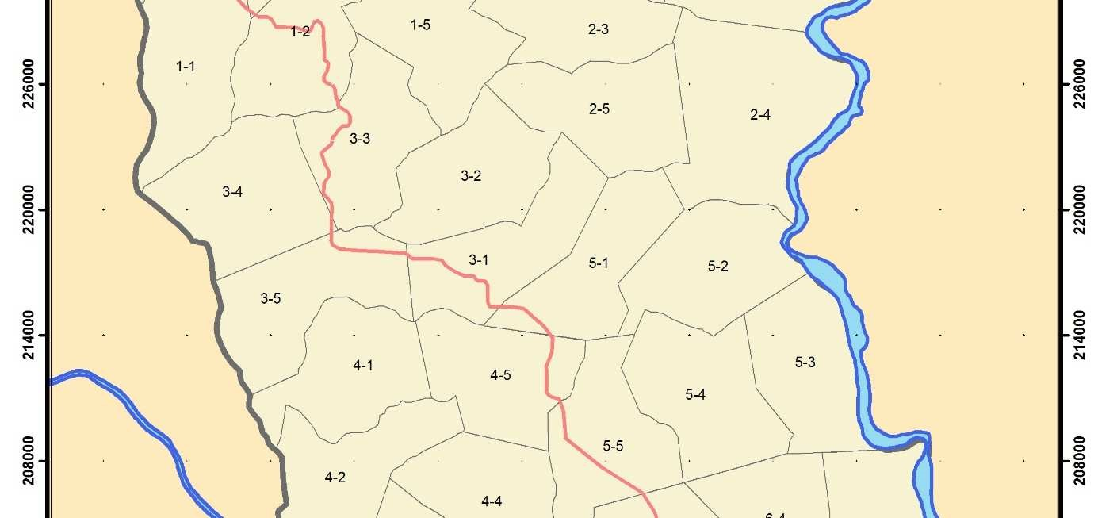
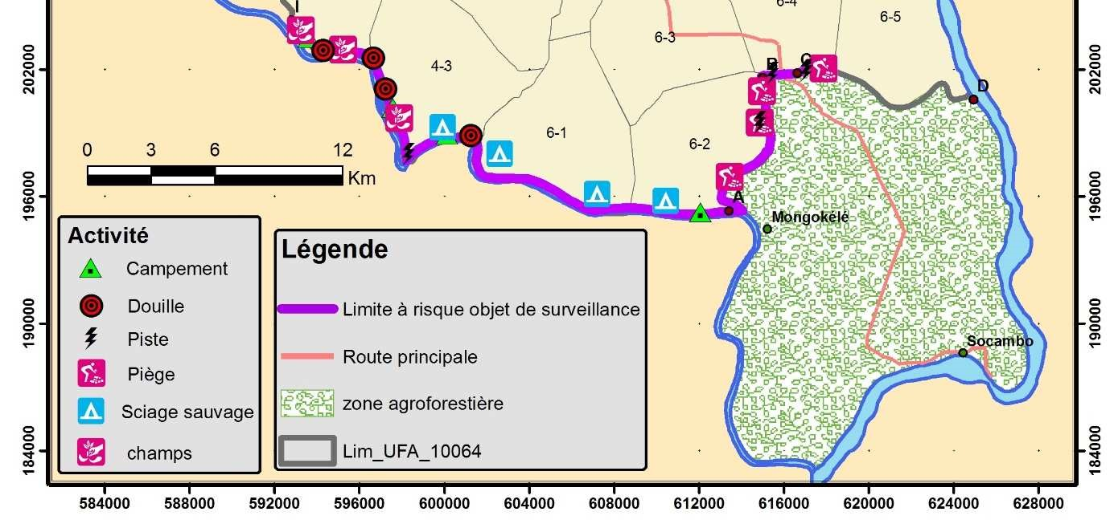
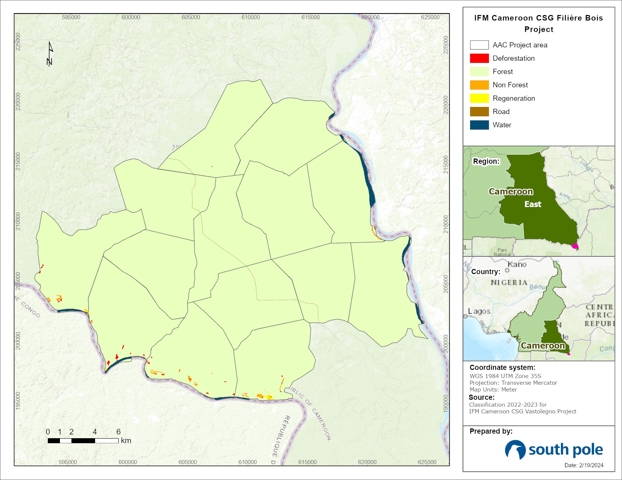
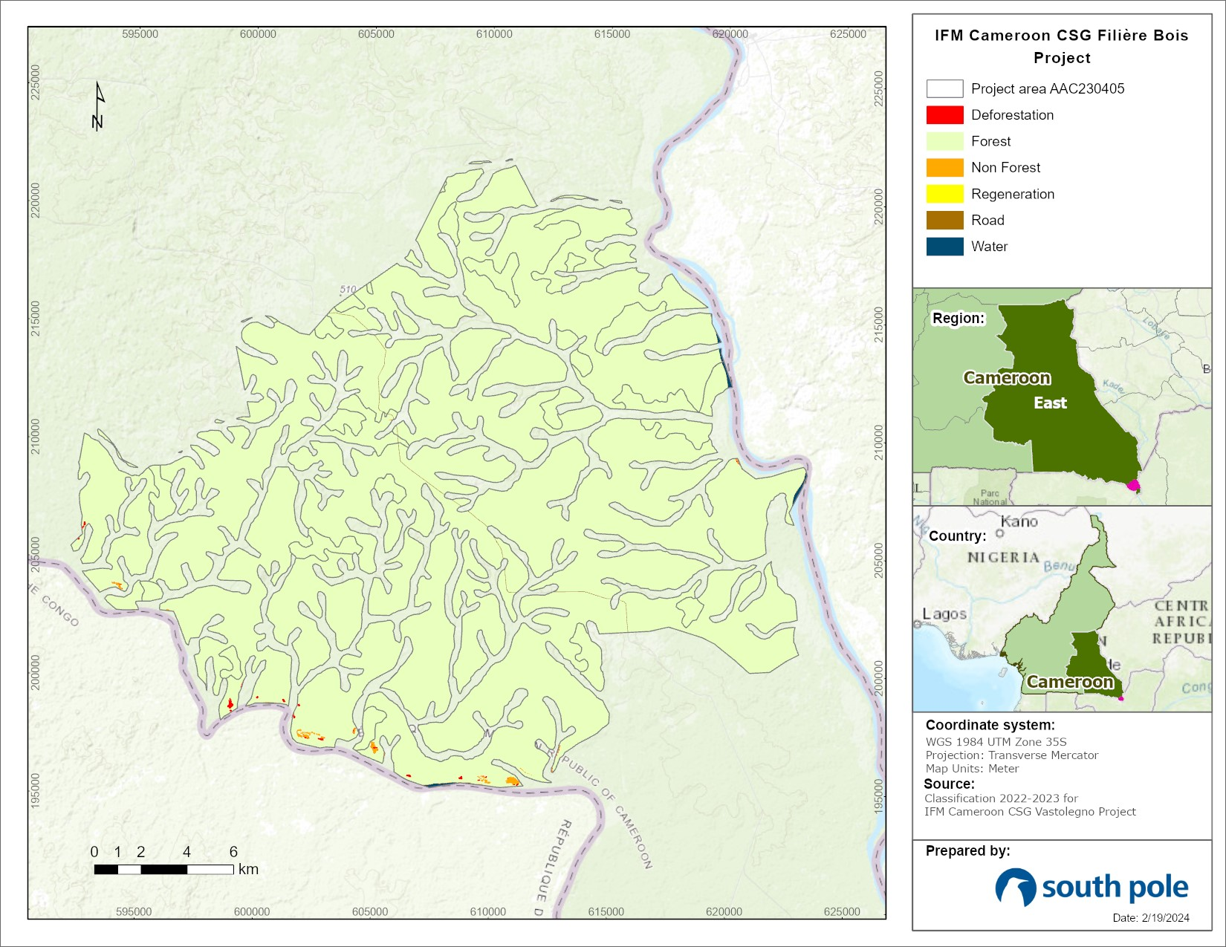
Loss 2022-2023 |  |  |  |  | Loss 2022-2023
AAC | ha |  |  |  | AAC | ha
4.2 | 2.5 |  |  |  | 4.2-6.5 | 33.0
4.3 | 6.9 |  |  |  | Total | 33.0
4.4 | 0.0 |  |  |  |  | 0.086% | of total PA
4.5 | 0.0
5.1 | 0.0 |  |  |  | In-situ monitoring 2022-2023
5.2 | 0.0 |  |  |  | ID points | ha | Type | Activity | Year
5.3 | 0.3 |  |  |  | 43 | 2 | Cacaoyer | Cocoa | 2023
5.4 | 0.0 |  |  |  | 42 | 1 | Champs vivriers | Manioc | 2023
5.5 | 0.0 |  |  |  | 36 | 0.5 | Champs vivriers | Manioc/Plantain | 2023
6.1 | 7.7 |  |  |  | 37-41 | 0.9 | Sciage sauvage | 9 logged trees | 2023
6.2 | 0.0 |  |  |  | Total | 4.4
6.3 | 1.7 |  |  |  |  | 0.011% | of total PA
6.4 | 0.0
6.5 | 0.0 |  |  |  | Total
Total | 19.1 |  |  |  | Assessment method | ha
 | 0.05% | of total PA |  |  | GIS Analysis | 33.0
 |  |  |  |  | In situ monitoring | 4.4
In situ monitoring 2022-2023 |  |  |  |  | Total (ha) | 37.4 | ADIST-IL,PA
ID points | ha | Type | Activity | Year | of total PA | 0.10%
43 | 2 | Cacaoyer | Cocoa | 2022-2023
42 | 1 | Champs vivriers | Manioc | 2022-2023
36 | 0.5 | Champs vivriers | Manioc/Plantain | 2022-2023
5 | 0.9 | Sciage sauvage | 9 logged trees | 2022-2023
Total | 4.4
 | 0.01% | of total PA

Total area potentially covered by illegal logging
Assessment method | ha
GIS Analysis | 19.1
In situ monitoring | 4.4
Taken from the "Rapport Annuel de Surveillance des Activités Illégales 2023" SEFAC Document
Total area (ha) | 23.5 | ADIST-IL,PA
of total PA | 0.06%

 |  |  |  |  | Project Emissions related to Illegal Logging (whole area of AACs included in the project, conservatively used for accounting)

Assumptions for Equation 37 (VM0010 v1.3):
- For the sake of conservativeness, both the area identified by GIS analysis and in-situ monitoring are accounted as areas potentially covered by illegal logging during the MP;
- The potential illegal deforestation happened in the DHC (i.e. primary) stratum (conservative assumption, since biomass is higher in this stratum);
- Deforestation happened proportionally in each monitoring year (e.g. 50% in 2022 and 50% in 2023);
- For conservativeness, total carbon emissions associated with the combustion of fossil fuel (C_FUEL) and the mean volume of extracted timber for forestry infrastructure (V_Ex,inf,BSL) associated with the baseline were considered zero (check the validated joint PD and MR for the project). Indeed, these values were conservatively excluded in the calculation of baseline emissions, so they are not considered here (i.e. C_FUEL=0 and V_Ex,inf,BSL=0). More specific information can be found in the MR (Section 5.2).

 |  |  |  |  | C_DIST-IL,PA (tC/ha) | 143 |  | Aboveground biomass (t d.m./ha) | 292.7
 |  |  |  |  | ∆C_DIST-IL-22_23 (tC) | 5,364

 |  |  |  |  |  | ∆CDIST-IL,t|PRJ
 |  |  |  |  |  | tCO2e
 |  |  |  |  | Project year | Project area
 |  |  |  |  | 2022 | 9,637
 |  |  |  |  | 2023 | 9,637
 |  |  |  |  |  | 19,275

Uncertainty
Baseline Uncertainty

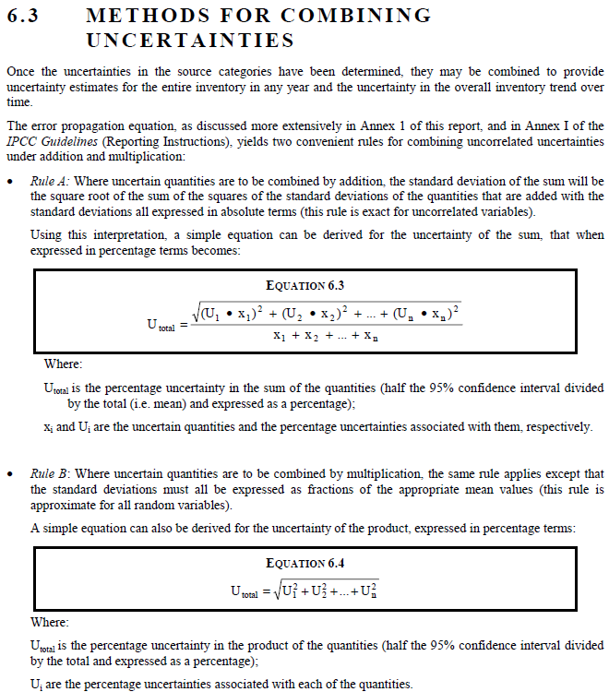
 |  |  |  |  |  |  |  |  |  |  | From "2000 IPCC Good Practice Guidance and Uncertainty Management in National Greenhouse Gas Inventories", Chapter 6, ‘Quantifying Uncertainties in Practice’
Parameter/Variable | Uncertainty | Source | Motivation
Mean extractable timber (m3/ha) | ±22% | Nasi, Robert & Mayaux, Philippe & Devers, Didier & Bayol, Nicolas & Atyi, Richard & Mugnier, Antoine & Cassagne, Bernard & Billand, Alain & Sonwa, Denis. (2010). A First Look at Carbon Stocks and their Variation in Congo Basin Forests (https://doi.org/10.2788/32259), Table 12.8 (Error due to the use of allometric model in estimating biomass using a set of permanent sample plots) | This uncertainty was associated with the fact that extractable timber volumes are calculated through allometrical equations applied to the measured DBH. The uncertainty associated was thus selected as the one related to the application of allometric models (with no corrections, in order to be more conservative)
Biomass expansion factor, BCEFR | ±30% | 2000 IPCC Good Practice Guidance for LULUCF, Chapter 3.2 | Since no local sources hase been found for this parameter, we used the IPCC standard value. The source tell that the uncertainty value for this parameter can be as high as ±30%
Regrowth factor | ±48% | Requena Suarez, D, Rozendaal, DMA, De Sy, V, et al. Estimating aboveground net biomass change for tropical and subtropical forests: Refinement of IPCC default rates using forest plot data. Glob Change Biol. 2019; 25: 3609– 3624. https://doi.org/10.1111/gcb.14767 | We considered a younger secondary forest from African tropical moist forest. We calculated uncertainty as defined by IPCC. This factor was considered for each project stratum, which is conservative

Stratum | Parameter | VEXi|BSL | BCEFR | Dj | CFj | CHB,j,i|BSL | CEX,j,i|BSL | FRSD|BSL | CRSD,j,i|BSL | ΔCDWSLASH,i,p|BSL
 |  | m3 |  |  |  | tC | tC |  | tC | tC
 |  | b | c | d | e | f=b*c*e | g=b*d*e | h | i=h*g | k=f-g+i
DHC | E | 103,749 | 1.67 | Various | 0.49 | 84,898 | 29,666 | 1.74 | 51,619 | 106,850
 | U | 22% | 30% |  |  | 37% | 22% |  | 22% | 21%
S | E | 18,307 | 1.67 | Various | 0.49 | 14,980 | 5,256 | 1.74 | 9,145 | 18,870
 | U | 22% | 30% |  |  | 37% | 22% |  | 22% | 21%

Stratum | Parameter | WW | SLF | CWP0,i|BSL | CWP,i|BSL | OF | CWP100,i|BSL | RGRi
 |  | % | % | tC | tC | % | tC | tC/ha/yr
 |  | j | m | n=g(j*m) | o=g-n | p | q=p*o | r
DHC | E | 0.24 | 0.15 | 10,769 | 18,897 | 0.925 | 16,374 | 0.49
 | U |  |  | 22% | 17% |  | 17% | 48%
S | E | 0.24 | 0.15 | 1,908 | 3,348 | 0.925 | 2,901 | 1.08
 | U |  |  | 22% | 17% |  | 17% | 48%

Stratum | Parameter | CRG,p|BSL | ΔCNET|BSL(1) | ΔCNET|BSL(2-10) | ΔCNET|BSL(11-20) | ΔCNET|BSL(1+) | ΔCNET|BSL,t*
 |  | tC/ha/yr | tC | tC | tC | tC | tC
 |  | s=r | s=k/10+n+q/20 | t=k/10+q/20 | u=o/20 | v=s | w=s+t+u-v
DHC | E | 1,041 | 22,270 | 59,769 | - | -6,447 | 75,592
 | U | 48% | 17% | 18% | 17% | 48% | 16%
S | E | 597 | 3,942 | 3,448 | - | -1,610 | 5,780
 | U | 48% | 17% | 18% | 17% | 48% | 21%

 |  |  |  |  |  | U|BSL | 14.6%

MarketLeakage_Factor
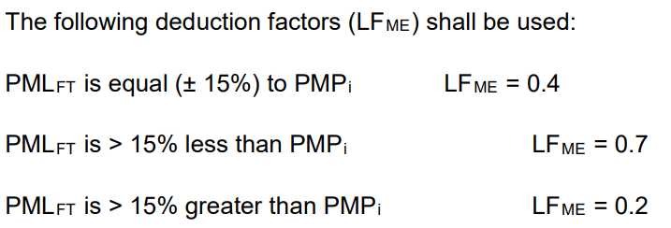
Forest outside project area (of the same type)

Forest concession name | Administrative area | Average AG biomass, per area | Productive area | Merchantable volume | Merchantable biomass | Total AG biomass | Ratio of merchantable to total biomass, outside PA
 | ha | tons/ha | ha | m3 | tons | tons | %
10-011 | 48,554 | 472 | 48,554 | 2,506,630 | 2,038,334 | 22,917,488 | 8.91%
10-012 | 59,340 | 479 | 54,867 | 2,098,703 | 1,706,617 | 26,281,293 | PMLForest
10-013 | 50,752 | 464 | 41,800 | 2,427,558 | 1,974,034 | 19,395,200
10-015 | 130,273 | 420 | 117,783 | 5,814,506 | 4,728,222 | 49,468,860
10-063 | 68,916 | 460 | 66,428 | 4,836,344 | 3,932,803 | 30,556,880
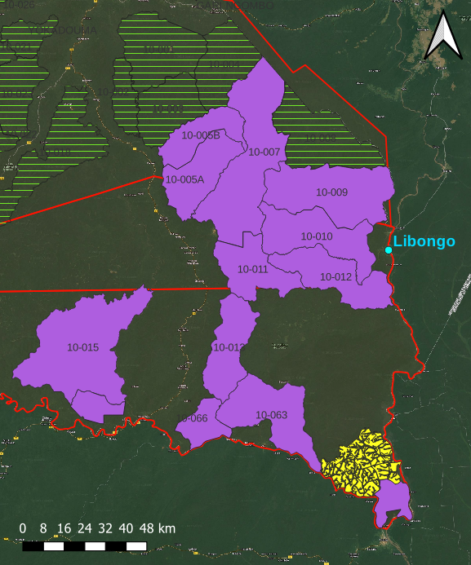
Project area (in yellow) and the selected forest management units (UFA, in violet) for the market leakage calculations. The latter areas are included in the Saloupoumbé and Maloundoud administrative sub-divisions, located in the East region in Cameroon.
10-066 | 56,298 | 416 | 52,792 | 1,595,704 | 1,297,590 | 21,961,472
10-009 | 92,287 | 470 | 63,950 | 3,269,360 | 2,658,568 | 30,056,500
10-010 | 66,688 | 478 | 91,520 | 3,345,517 | 2,720,497 | 43,746,560
10-007 | 122,294 | 454 | 112,896 | 5,738,007 | 4,666,015 | 51,254,784
10-005 | 89,322 | 433 | 88,320 | 4,946,213 | 4,022,146 | 38,242,560
 |  |  |  |  | 29,744,826 | 333,881,597
 |  |  |  |  | Total (tons)

Leakage factor (ex-post), LFME

PMLForest / PMPDHC | 15.9% |  | Leakage factor, LFME
PMLForest / PMPS | 66.9% |  | 20%

Significance
Baseline net GHG emissions | Project net GHG emissions | Leakage | Total GHG benefits generated by the project

GHGNET|BSL,t* (for significance) | GHGNET|PRJ,t* (for significance) | GHGLK|LtPF,t* (for significance) | GHGCREDITS|LtPF,t* (for significance)
tC02e | tC02e | tC02e | tCO2e
Project area | Project area | Project area | Project area
272,679 | 9,637 | 54,536 | 208,506
324,049 | 9,637 | 64,810 | 249,602
596,728 | 19,275 | 119,346 | 458,108

Significance of project and leakage emissions
VCS Methodology Requirements v4.2, Section 3.3.6:
"Specific carbon pools and GHG sources, including carbon pools and GHG sources that cause project and leakage emissions, may be deemed de minimis and do not have to be accounted for if together the omitted decrease in carbon stocks (in carbon pools) or increase in GHG emissions (from GHG sources) amounts to less than 5% of the total GHG benefit generated by the project."

Source of emission associated to project and leakage
∆CDIST-IL,t|PRJ | tCO2e | 4.2% | non-significant
GHGLK|LtPF,t* | tCO2e | 26.1% | significant

Bibliography
Bibliography

Parameter | Name | Value | Units | Equation(s) |  | Source
BCEFR | BCE for wood removals | 1.67 | t d.m. · m-3 | 3-7 |  | IPCC 2006, Guidelines for National Greenhouse Gas Inventories (Volume 4 - Agriculture, Forestry and Other Land Use), Table 4.5. With reference to natural forest in humid tropical zone with a growing stock volume of 118 m3 ha-1 (calculated from Forest Management Plan)
CFj | Carbon fraction for species j | 0.49 | tC · t d.m.-1 | 3-4-7 |  | 2006 IPCC Guidelines for National Greenhouse Gas Inventories (Volume 4 - Agriculture, Forestry and Other Land Use), Table 4.3, Tropical wood
FRSD|BSL | Factor for residual stand damage | 1.74 | - | 6 |  | Brown, S., Pearson, T., Moore, N., Parveen, A., Ambagis, S., & Shoch, D. (2005). Impact of selective logging on the carbon stocks of tropical forests: Republic of Congo as a case study. Winrock International, Virginia, 21.
BEF | Biomass expansion factor | 1.22 | - | Calculation of the market leakage |  | Value for South-Eastern Cameroon https://cbmjournal.biomedcentral.com/articles/10.1186/s13021-018-0111-7 https://www.sciencedirect.com/science/article/abs/pii/S0378112710004937
D_forest | Wood density | 0.67 | t d.m./m3 | Calculation of the market leakage |  | Average wood density of the tree species logged in the UFA 10-064; assumed as the average density to calculate biomass from merchantable volume in forest outside the project area where market leakage could occur

Regrowth (RGRi)

Since selective logging was applied in the baseline scenario, only a share of tree in the logged area are subjected to the regrowth after timber harvest.
For this reason, we decided to calculate the regrowth only on the share of biomass which should be subjected to logging: we thus calculated this share by dividing the above ground biomass (AGB, t d.m./ha) logged by the one related to the natural forest (for each stratum). We then assumed that logged forest regrows with a RGR proper to the one of secondary forest (<20 years), in order to be conservative (since this type of vegetation have the higher regrowth rate).
For the calculation of the share, we made the following assumptions:
- natural forest AGB were assumed as the one from 2019 IPCC standard values (assuming DHB as a primary forest, S and MIT as secondary forests >20 years);
- logged forest AGB were calculated by multiplying the C_{HB} by the BCEF_{R}, divided by the carbon fraction of wood.
 |  |  | Stratum | Natural forest AGB | Logged forest AGB | Share logged | Natural forest regrowth | Logged forest regrowth | Weigthed RGRi
 |  |  |  | [t.dm/ha] | [t.dm/ha] | [%] | [t.dm/ha/yr] | [t.dm/ha/yr] | [t.dm/ha/yr]
 |  |  | DHC | 236.6 | 80.76 | 34% | 0.4 | 2.9 | 0.99
 |  |  | S | 72.8 | 55.33 | 76% | 0.9 | 2.9 | 2.20

 |  |  | Stratum | RGRi
 |  |  |  | [t.dm/ha/yr] | [t.C/ha/yr]
 |  |  | DHC | 0.99 | 0.49
 |  |  | S | 2.20 | 1.08

Wood product (SLF, WW, OF)

Wood product class k | percentage | SLFk [%] | WWk [%] | OFk [%]
Sawnwood | 95% | 0.12 | 0.24 | 0.86
Roundwood | 5% | 0.18 | 0.24 | 0.99

Wood density (Dj)

Species or genus | Scientific name | Wood density [t/m3] | Source
Abam à poils rouges | Gambeya beguei | 0.69 | *
Abam vrai | Gambeya lacourtiana | 0.77 | *
Acajou blanc | Khaya antheca | 0.57 | **
Aiélé | Canarium schweinfurthii | 0.49 | **
Alep | Desbordia glausescens | 1.05 | **
Aningré A | Aningeria altissima | 0.57 | **
Aningré R | Aningeria robusta | 0.57 | **
Assamela | Pericopsis elata | 0.74 | **
Ayous | Triplochyton sceroxylon | 0.38 | **
Azobé | Lophira alata | 1.06 | **
Bahia | Mitragyna ciliata | 0.58 | *
Bété | Mansonia altissima | 0.66 | **
Bilinga | Nauclea diderrichii | 0.76 | **
Bongo H | Fagara heitzii | 0.52 | **
Bossé clair | Guarea cedrata | 0.63 | **
Bossé foncé | Guarea thompsonii | 0.63 | **
Dabéma | Piptadeniastrum africanum | 0.70 | **
Dibétou | Lovoa trichilioides | 0.53 | **
Doussié blanc | Afzelia pachyloba | 0.80 | **
Doussié rouge | Afzelia bipindensis | 0.80 | **
Ekaba | Tetraberlinia bifoliolata | 0.62 | **
Emien | Astonia boonei | 0.36 | **
Eyong | Eribroma Oblongum | 0.74 | **
Fraké | Terminalia superba | 0.54 | **
Fromager | Ceiba pentandra | 0.32 | **
Ilomba | Pycnanthus angolensis | 0.49 | **
Iroko | Milicia excelsa | 0.64 | **
Kossipo | Entandrophragma candollei | 0.69 | **
Kotibé | Nesogordia papaverifera | 0.76 | **
Koto | Pterygota macrocarpa | 0.59 | **
Longhi | Gambeya africana | 0.75 | **
Mambodé | Detarium macrocarpum | 0.66 | ***
Niové | Staudtia kamerunensis | 0.88 | **
Okan | Cylicodiscus gabonensis | 0.91 | **
Padouk rouge | Pterocarpus soyauxii | 0.79 | **
Sapelli | Entandrophragma cylindricum | 0.69 | **
Sipo | Entandrophragma utile | 0.62 | **
Tali | Erythropleum ivorense | 0.91 | **
Tiama | Entandrophragma angolense | 0.55 | **
Average |  | 0.67
Standard deviation |  | 0.17

Wood density values source:
* Carsan, S. Orwa, C. Harwood, C. Kindt, R. Stroebel, A. Neufeldt, H. and Jamnadass, R. 2012. African Wood Density Database. World Agroforestry Centre, Nairobi. (http://apps.worldagroforestry.org/treesandmarkets/wood)
** CIRAD, Tropix 7, Technical Data Sheets (doi:10.18167/74726F706978)
*** J.C. Cerre, J. Gérard, D. Guibal and S. Paradis, 2017; Tropical Timber Atlas: Technological characteristics and uses, ISBN:9782759227709

