Leakage
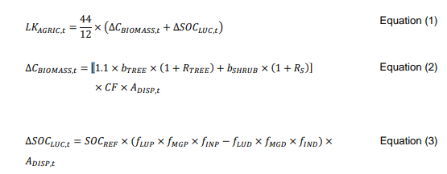
Age | Year | Annual Leakage emissions (tCO2e) | Total Leakage emissions (t CO2e)
1 | 2019 | 196 | 196
2 | 2020 | 319 | 515
3 | 2021 | 549 | 1,064
4 | 2022 | 1,507 | 2,571
5 | 2023 | 1,590 | 4,161
6 | 2024 | 1,609 | 5,770
7 | 2025 | 1,609 | 7,380

 |  |  |  | ∆SOCLUC,t | 0.00 | BDRSF | 0.1
 |  |  |  | bTREE | 0 | bFOREST | 73
 |  |  |  | RTREE | 0.25 | CCSHRUB,i | 0.5 | Year | Number of trees | ADISP | Reference
 |  |  |  | bshrub | 3.65 | CF | 0.47 | 2019 | 283335 | 22.25 | Number of trees planted can be accessed from T28:T33 cells of overview tab in attached sheet
 |  |  |  | Rs | 0.4 |  |  | 2020 | 177996 | 13.98
 |  |  |  |  |  |  |  | 2021 | 332550 | 26.11
 |  |  |  |  |  |  |  | 2022 | 1386045 | 108.84
 |  |  |  |  |  |  |  | 2023 | 118743 | 9.32
 |  |  |  |  |  |  |  | 2024 | 28564 | 2.24

