Leakage
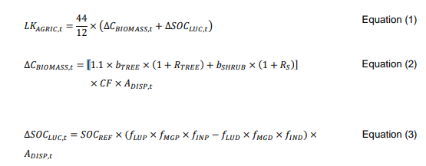
Age | Year | Annual emission reductions after baseline deduction (tCO2e) | Annual Leakage emissions (tCO2e) | Annual Emission reductions/removals after baseline and leakage deductions (tCO2e)
1 | 2019-2020 | 1333 | 196 | 1138
2 | 2020-2021 | 4835 | 319 | 4516
3 | 2021-2022 | 9549 | 549 | 9000
4 | 2022-2023 | 18436 | 1507 | 16929
5 | 2023-2024 | 23664 | 1589 | 22075
6 | 2024-2025 | 31157 | 1609 | 29548
7 | 2025-2026 | 25778 | 1609 | 24170
8 | 2026-2027 | 26975 | 1609 | 25367
9 | 2027-2028 | 26763 | 1609 | 25154
10 | 2028-2029 | 26134 | 1609 | 24525 |  |  |  |  | 7
11 | 2029-2030 | 24336 | 1609 | 22728
12 | 2030-2031 | 23542 | 1609 | 21933
13 | 2031-2032 | 23891 | 1609 | 22282
14 | 2032-2033 | 25668 | 1609 | 24060
15 | 2033-2034 | 27183 | 1609 | 25575 | ∆SOCLUC,t | 0.00 | BDRSF | 0.1
16 | 2034-2035 | 27152 | 1609 | 25544 | bTREE | 0 | bFOREST | 73
17 | 2035-2036 | 16401 | 1609 | 14792 | RTREE | 0.25 | CCSHRUB,i | 0.5
18 | 2036-2037 | 26795 | 1609 | 25187 | bshrub | 3.65 | CF | 0.47
19 | 2037-2038 | -12553 | 1609 | -14162 | Rs | 0.4
20 | 2038-2039 | 24771 | 1609 | 23162
21 | 2039-2040 | 33569 | 1609 | 31960 | Year | ADISP
22 | 2040-2041 | 30659 | 1609 | 29051 | 2019 | 22.23
23 | 2041-2042 | 30652 | 1609 | 29043 | 2020 | 13.98
24 | 2042-2043 | 30178 | 1609 | 28569 | 2021 | 26.11
25 | 2043-2044 | 30368 | 1609 | 28759 | 2022 | 108.80
26 | 2044-2045 | 31673 | 1609 | 30065 | 2023 | 9.32
27 | 2045-2046 | 32358 | 1609 | 30749 | 2024 | 2.24
28 | 2046-2047 | 33483 | 1609 | 31875
29 | 2047-2048 | 34820 | 1609 | 33211
30 | 2048-2049 | 36241 | 1609 | 34632
31 | 2049-2050 | 7337 | 1609 | 5729
32 | 2050-2051 | 6848 | 1609 | 5239
33 | 2051-2052 | 6183 | 1609 | 4574
34 | 2052-2053 | 2048 | 1609 | 439
35 | 2053-2054 | 182 | 1609 | -1427
36 | 2054-2055 | 0 | 1609 | -1609

