fNRB
fNRB | fNRB in %
Using FSR values (excluding TIproject/forest and non-forest areas or which products or by-products are not available for meeting thermal uses as per AMS-I.E and AMS-II.G), discounting protected areas (using PROTECTED PLANET data https://www.protectedplanet.net) | 0.8249

NRB | NRB in ton/year
Using FSR values (excluding TIproject/forest and non-forest areas or which products or by-products are not available for meeting thermal uses as per AMS-I.E and AMS-II.G), discounting protected areas (using PROTECTED PLANET data https://www.protectedplanet.net) | 26,082,683

 |  |  | ASSUMPTIONS

 |  |  | Parameter | Value | Data Unit | Data Source
 |  |  | Total wood consumption | 54,406,000 | m3 | http://data.un.org/Data.aspx?d=EDATA&f=cmID%3aFW (year 2021)
 |  |  | Total wood consumption | 31619146.596 | t/year | Calculated
 |  |  | H (total annual consumption of wood (fuel + other) | 31619146.596 | t/year | Calculated

Overall consumption of woody biomass (H) in million ton | Overall consumption of woody biomass (H) in ton/year
Using FSR values (excluding TIproject/forest and non-forest areas or which products or by-products are not available for meeting thermal uses as per AMS-I.E and AMS-II.G), discounting protected areas (using PROTECTED PLANET data https://www.protectedplanet.net) | 31,619,147

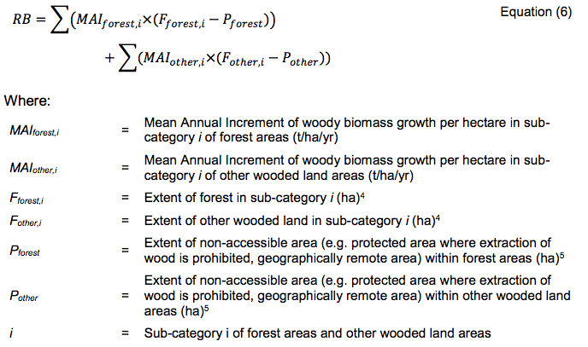

 |  |  | EXTENT OF FOREST AND OTHER WOODED LAND
 |  |  | Forest (in 2020) | 3611090 | ha | Global Forest Resources Assessment 2020, Country Report Kenya, page 13
 |  |  | Forest plantations (in 2020) | 152790 | ha | Global Forest Resources Assessment 2020, Country Report Kenya, page 11
 |  |  | Other wooded land (in 2020) | 32271450 | ha | Global Forest Resources Assessment 2020, Country Report Kenya, page 13
 |  |  | Other land (in 2020) | 21031460 | ha | Global Forest Resources Assessment 2020, Country Report Kenya, page 13

 |  |  | Forest loss
 |  |  | Forest in 1990 | 3858540 | ha | Global Forest Resources Assessment 2020, Country Report Kenya, page 13
 |  |  | Forest in 2020 (excluding plantations) | 3,458,300 | ha | Calculated
 |  |  | Forest loss between 1990 to 2020 (30 years) | -400,240 | ha | Calculated
 |  |  | Annual forest loss | -13,341 | ha | Calculated
 |  | 2023 | Forest (in 2023) (Fforest) | 3,418,276 | ha | Calculated
 |  |  | Percentage forest vs all lands | 6.0% | Percentage | Calculated
 |  |  | Other wooded land (in 1990) | 34850250 | ha | Global Forest Resources Assessment 2020, Country Report Kenya, page 13
 |  |  | Other wooded land (in 2020) | 32271450 | ha | Global Forest Resources Assessment 2020, Country Report Kenya, page 13
 |  |  | Other wooded land loss between 1990 to 2020 (30 years) | -2,578,800 | ha | Calculated
 |  |  | Annual other wooded land vs all lands | -85,960 | ha | Calculated
 |  | 2023 | Other wooded land (in 2023) (Fwooded,land) | 32,013,570 | ha | Calculated
 |  |  | Percentage wooded land vs other lands | 56.4% | Percentage | Calculated
 |  |  | Other land (in 1990) | 18205210 | ha | Global Forest Resources Assessment 2020, Country Report Kenya, page 13
 |  |  | Other land (in 2020) | 21031460 | ha | Global Forest Resources Assessment 2020, Country Report Kenya, page 13
 |  |  | Other land gain between (1990 and 2020) | 2,826,250 | ha | Calculated
 |  |  | Annual other land gain | 94,208 | ha | Calculated
 |  | 2023 | Other land (in 2023) (Fotherland) | 21,314,085 | ha | Calculated
 |  |  | Percentage other land vs all lands | 37.6% | Percentage | Calculated
Renewable Biomass (RB) in million t/year | Renewable Biomass (RB) in t/year |  | MAI
Using FSR values (excluding TIproject/forest and non-forest areas or which products or by-products are not available for meeting thermal uses as per AMS-I.E and AMS-II.G), discounting protected areas (using PROTECTED PLANET data https://www.protectedplanet.net) | 5,536,464 |  | MAI(forest) | 0.79333333333 | m3/ha/year | Average value from closed forest (1.3 m3/ha/year), woodlands (0.64 m3/ha/year); and bushlands (0.44 m3/ha/year) since all are considered to have a canopy cover of at least 40%, hence are considered as forest as per Kenya's DNA forest definition (https://cdm.unfccc.int/DNA/index.html) Data Source: GTZ Eastern Africa Online Resource Base (https://energypedia.info/wiki/Biomass_Energy_Resources_in_Kenya)
 |  |  | MAI(other wooded land) | 0.25 | m3/ha/year | For other wooded lands the value for wooded grasslands (0.25 m3/ha/year) as indicated in 'Energypedia' is used. Wooded grasslands are described as areas with a 10-40% woody vegetation cover, hence predominantly fall under 'other wooded land' as per Kenya's DNA forest definition (https://cdm.unfccc.int/DNA/index.html); Data Source: GTZ Eastern Africa Online Resource Base (https://energypedia.info/wiki/Biomass_Energy_Resources_in_Kenya)
 |  |  | MAI (other land) | 0.08 | m3/ha/year | A MAI of 0.08 m3/ha/year has been assumed for 100% of other land. To take 100% of other lands is conservative, since only a certain proportion of other lands provide supply of woody biomass. The MAI of 0.08 m3/ha/year has been sourced from GTZ Eastern Africa Online Resource Base (https://energypedia.info/wiki/Biomass_Energy_Resources_in_Kenya) and is the one for grasslands.
 |  |  | MAI(forest) | 0.4611 | t/ha/year | Calculated based on MAI value (m3/ha/year) and average density of 282 different tree species for tropical Africa (source: http://www.fao.org/3/W4095E/w4095e0c.htm) / See detailed Density list in worksheet 'fNRB tree densities'
 |  |  | MAI(other wooded land) | 0.1453 | t/ha/year | Calculated based on MAI value (m3/ha/year) and average density of 282 different tree species for tropical Africa (source: http://www.fao.org/3/W4095E/w4095e0c.htm) / See detailed Density list in worksheet 'fNRB tree densities'
 |  |  | MAI (other land) | 0.0465 | t/ha/year | Calculated based on MAI value (m3/ha/year) and average density of 282 different tree species for tropical Africa (source: http://www.fao.org/3/W4095E/w4095e0c.htm) / See detailed Density list in worksheet 'fNRB tree densities'

 |  |  | NON ACCESSIBLE AREAS (PROTECTED AREAS) | 132,218 | km2 | Protected land areas of Kenya from Protected Planet Website, Kenya national website, download main dataset and add the "REP_AREA" column: https://www.protectedplanet.net/country/KE
 |  |  | NON ACCESSIBLE AREAS (PROTECTED AREAS) | 13,221,817 | ha | Calculated
 |  |  | P(forest) | 796,459 | ha | Calculated
 |  |  | P(other wooded land) | 7,459,170 | ha | Calculated
 |  |  | P(other land) | 4,966,187 | ha | Calculated
 |  |  | RB (Renewable biomass) | 5,536,464 | t/year | Calculated

