SDG13
Usage rate | 71.61%

Unis installed and in operation
date from | date to | Plants installed | Cumulative since start of this VPA | days in month | Plant-days | Technology days plants in operation
01/04/2023 | 30/04/2023 | 12 | 4,358 | 30 | 130,726 | 93,614
01/05/2023 | 31/05/2023 | 10 | 4,368 | 31 | 135,394 | 96,957
01/06/2023 | 30/06/2023 | 6 | 4,374 | 30 | 131,206 | 93,958
01/07/2023 | 31/07/2023 | 16 | 4,390 | 31 | 136,076 | 97,445
01/08/2023 | 31/08/2023 | 10 | 4,400 | 31 | 136,386 | 97,667
01/09/2023 | 30/09/2023 | 10 | 4,410 | 30 | 132,286 | 94,731
01/10/2023 | 31/10/2023 | 14 | 4,424 | 31 | 137,130 | 98,200
01/11/2023 | 30/11/2023 | 3 | 4,427 | 30 | 132,796 | 95,096
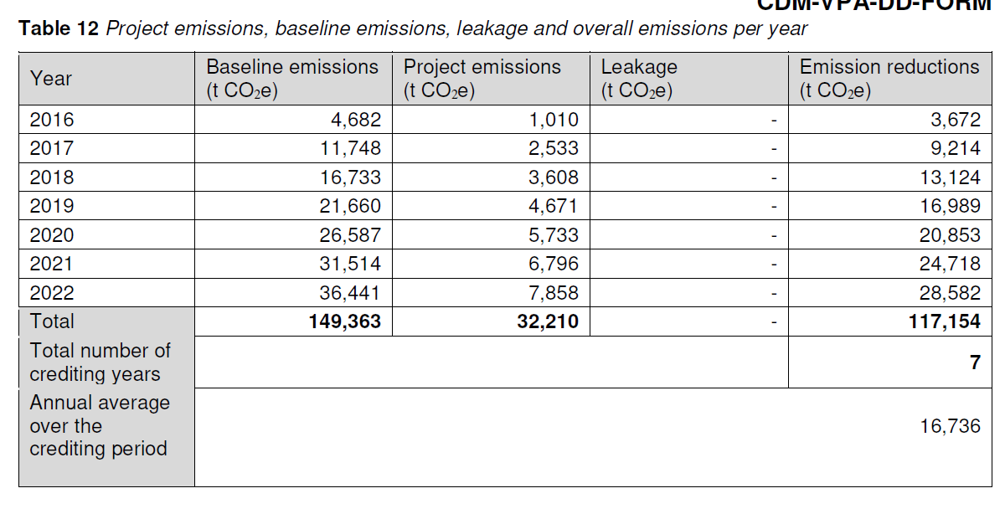
01/12/2023 | 31/12/2023 | 6 | 4,433 | 31 | 137,409 | 98,400
01/01/2024 | 31/01/2024 | - | 4,433 | 31 | 137,409 | 98,400
01/02/2024 | 29/02/2024 | - | 4,433 | 29 | 128,543 | 92,051
01/03/2024 | 13/03/2024 | - | 4,433 | 13 | 57,615 | 41,259

Total emission reductions per household on the VPA level
date from | date to | Baseline | Project | Leakage | ER
01/04/2023 | 30/04/2023 | 1,474 | 611 |  | 863
01/04/2023 | 30/04/2023 | 1,527 | 633 | - | 894
01/05/2023 | 31/05/2023 | 1,480 | 613 | - | 867
01/06/2023 | 30/06/2023 | 1,534 | 636 | - | 899
01/07/2023 | 31/07/2023 | 1,538 | 637 | - | 901
01/08/2023 | 31/08/2023 | 1,492 | 618 | - | 874
01/09/2023 | 30/09/2023 | 1,546 | 641 | - | 906
01/10/2023 | 31/10/2023 | 1,497 | 620 | - | 877
01/11/2023 | 30/11/2023 | 1,549 | 642 | - | 908
01/12/2023 | 31/12/2023 | 1,549 | 642 |  | 908
01/01/2024 | 31/01/2024 | 1,449 | 601 | - | 849
01/03/2024 | 13/03/2024 | 650 | 269 | - | 381
 |  | 17,286 | 7,162 | - | 10,124

Comparison of emission reductions or net anthropogenic removals achieved with estimates in the included VPA-DDs
Period both dates inclusive | Amount achieved during this monitoring period | Amount estimated ex ante
 | (t CO2e) | (t CO2e)
01/04/23 to 31/12/23 | 7,987 | 19,106 | * calculated based on 2022 VPA06-DD values. No projection for 2023 exists in the VPA06-DD
01/01/24 to 13/03/24 | 2,137 | 8,143 | * as above for 2024
Total | 10,124 | 27,249

SDG 7 | comparison ex-post and ex-ante
Period | Amount ex-post | Amount estimated ex ante

MPVI | 4433 | 1 | *VPA06 was projected to have 5,030 plants in 2022, that value has been retained in absence values for the end of this MP

