VS
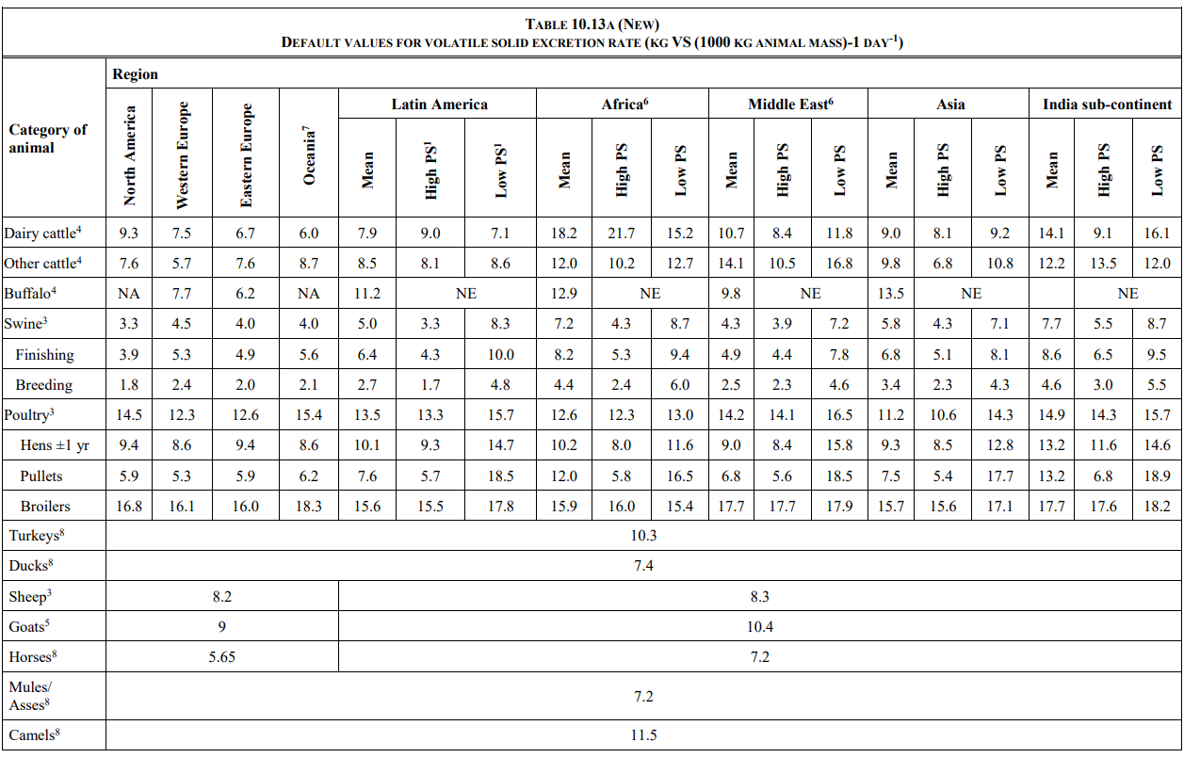
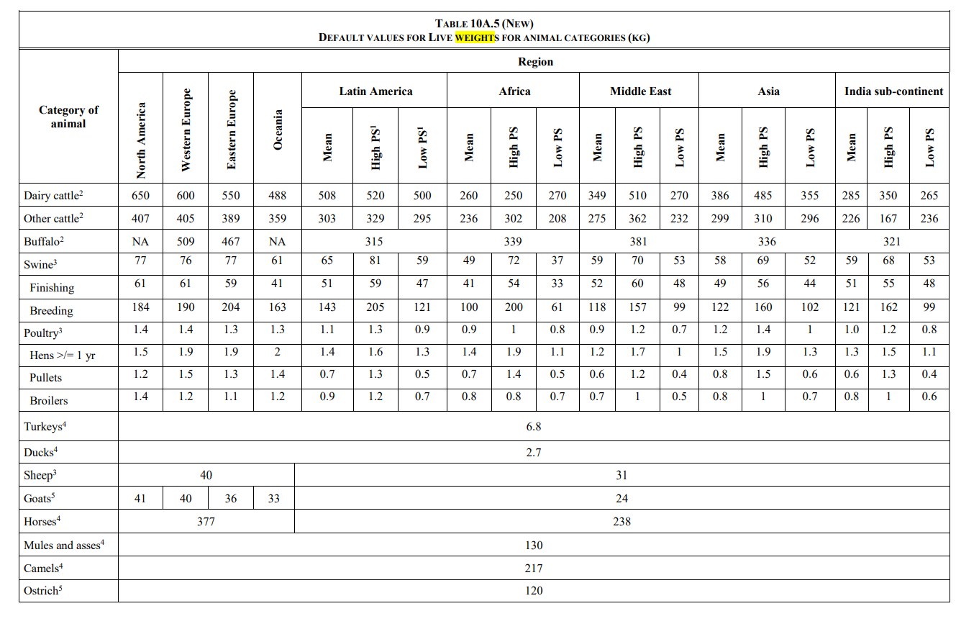
Animal | Reference | Description | Data | Unit | Source

 |  |  |  |  | 2019 refinement to the 2006 guidelines

Dairy cow | R | Region | Africa
 | P | Production system | low productivity | - | Table 10A.1
 | W | Weight | 270.00 |  | Table 10A.5
 | VS | Volatile excrection per 1000 kg | 15.20 | VS (1000 kg animal mass -1 ) *day-1 | table 10.13A
 | VST | VS/day | 4.104 | kg/animal/day | calculation
 | Amount degraded in baseline | VS anaerobically degraded | 0.528 | kg/animal/day | calculation

Other cattle | R | Region | Africa
 | T | Type | low productivity | - | Table 10A.1
 | W | Weight | 208.00 |  | Table 10A.5
 | VS | Volatile excrection per 1000 kg | 12.70 | VS (1000 kg animal mass -1 ) *day-1 | table 10.13A
 | VST | VS/day | 2.642 | kg/animal/day | calculation
 | Amount degraded in baseline | VS anaerobically degraded | 0.150 | kg/animal/day | calculation

Swine finishing | R | Region | Africa
market swine | T | Type | low productivity | - | Table 10A.1
 | W | Weight | 33.00 |  | Table 10A.5
 | VS | Volatile excrection per 1000 kg | 9.40 | VS (1000 kg animal mass -1 ) *day-1 | table 10.13A
 | VST | VS/day | 0.310 | kg/animal/day | calculation
 | Amount degraded in baseline | VS anaerobically degraded | 0.029 | kg/animal/day | calculation

Swine breeding | R | Region | Africa
breeding swine | T | Type | low productivity | - | Table 10A.1
 | W | Weight | 61.00 |  | Table 10A.5
 | VS | Volatile excrection per 1000 kg | 6.00 | VS (1000 kg animal mass -1 ) *day-1 | table 10.13A
 | VST | VS/day | 0.366 | kg/animal/day | calculation
 | Amount degraded in baseline | VS anaerobically degraded | 0.032 | kg/animal/day | calculation

Sheep | R | Region | Africa
 | T | Type | low productivity | - | Table 10A.1
 | W | Weight | 31.00 |  | Table 10A.5
 | VS | Volatile excrection per 1000 kg | 8.30 | VS (1000 kg animal mass -1 ) *day-1 | table 10.13A
 | VST | VS/day | 0.257 | kg/animal/day | calculation
 | Amount degraded in baseline | VS anaerobically degraded | 0.008 | kg/animal/day | calculation

Goat | R | Region | Africa
 | T | Type | low productivity | - | Table 10A.1
 | W | Weight | 24.00 |  | Table 10A.5
 | VS | Volatile excrection per 1000 kg | 10.40 | VS (1000 kg animal mass -1 ) *day-1 | table 10.13A
 | VST | VS/day | 0.250 | kg/animal/day | calculation
 | Amount degraded in baseline | VS anaerobically degraded | 0.029 | kg/animal/day | calculation

Poultry | T | Type | Africa
 | T | Type | low productivity | - | Table 10A.1
 | W | Weight | 0.80 |  | Table 10A.5
 | VS | Volatile excrection per 1000 kg | 13.00 | VS (1000 kg animal mass -1 ) *day-1 | table 10.13A
 | VST | VS/day | 0.010 | kg/animal/day | calculation
 | Amount degraded in baseline |  | 0.001 | kg/animal/day | calculation

