Project Emissions
N2O Emissions

Baseline | 121 | kgN/ha | 1,785 | 1st year
 |  |  | 6,160 | 2nd year onwards
Project
 | 107.49 | kgN/ha | 1,586 | 1st year
 |  |  | 5,473 | 2nd year onwards

Type of fertilizer | % N by weight | kg/acre | kgN/ha
Urea | 46% | 75 | 85.25
DAP | 18% | 50 | 22.24
Total |  |  | 107.49

1 acre | equals | 0.4046856422 | ha

PE (N2O) Correction Factor | 633 | 1st year
 | 2,186 | 2nd year
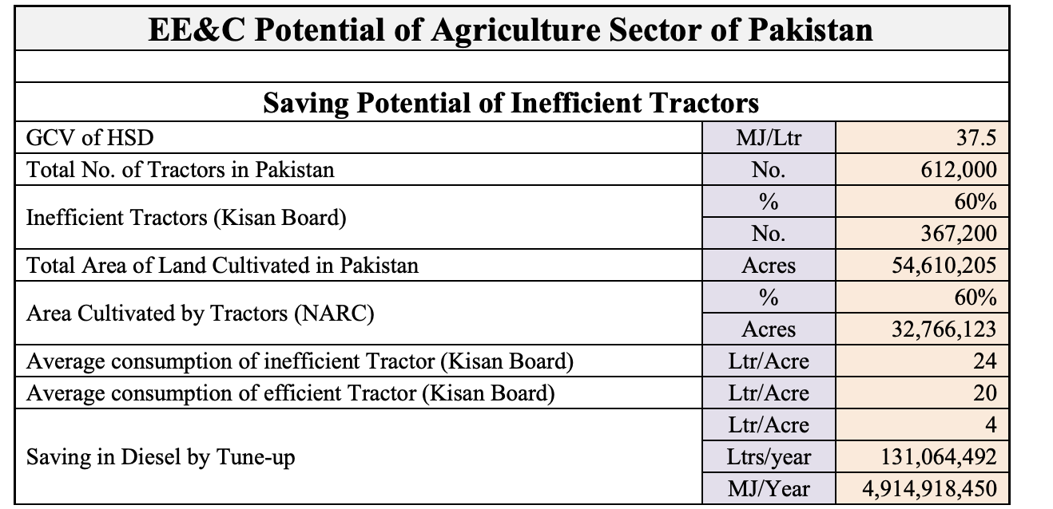
CO2 Emissions

Land Preparation | L/acre | L/ha
Quantity of HSD used in Baseline scenario | 22.4 | 55.35
Quantity of HSD used in Project scenario | 20 | 49.42
GCV of HSD | 37.5 | MJ/l
 | 0.0000375 | TJ/l

EF (CO2) for Diesel* | 73.2 | tonne/TJ
*Table 9, Pakistan 2nd National Communication | http://www.gcisc.org.pk/SNC_Pakistan.pdf
Converted for lt diesel | 0.002745 | tCO2/ l diesel |  | Section 2.4. Energy Efficiency in Agriculture Sector, National Action Plan
 |  |  |  | https://neeca.pk/neecagov/neecafiles/DRAFT-NEEC-ACTION-PLAN-2023-2030.pdf
 | Baseline scenario | Project scenario
Emissions per ha (tCO2/ha) | 0.152 | 0.136

 | Baseline scenario | Project scenario
Share of land cultivated by tractor | 60% | 100%
Total area cultivated by tractor (ha) | 18,915 | 31,525

Total tCO2 | 2,874 | 4,277
 |  | Percentage to Total ERs

 |  |  | Difference
 |  |  | 1,403
 |  |  | 4.0%

