Project Emissions
N2O Emissions for MP |  |  |  |  | Source
Baseline estimate | 121 | kgN/ha |  |  | Registered PDD
Project | 79.07 | kgN/ha | 466 | 2022 | Monitored
 | 79.07 | kgN/ha | 1,610 | 2023 | Monitored
Ex ante estimate for project scenario in the registered PDD
1 acre | equals | 0.4046856422 | ha

PE (N2O) Correction Factor | 633 | 1st year | Registered PDD
 | 2,186 | 2nd year | Registered PDD

Land Preparation | L/acre | L/ha
Quantity of HSD used in Project scenario | 22.4 | 55.35
GCV of HSD | 37.5 | MJ/l
 | 0.0000375 | TJ/l

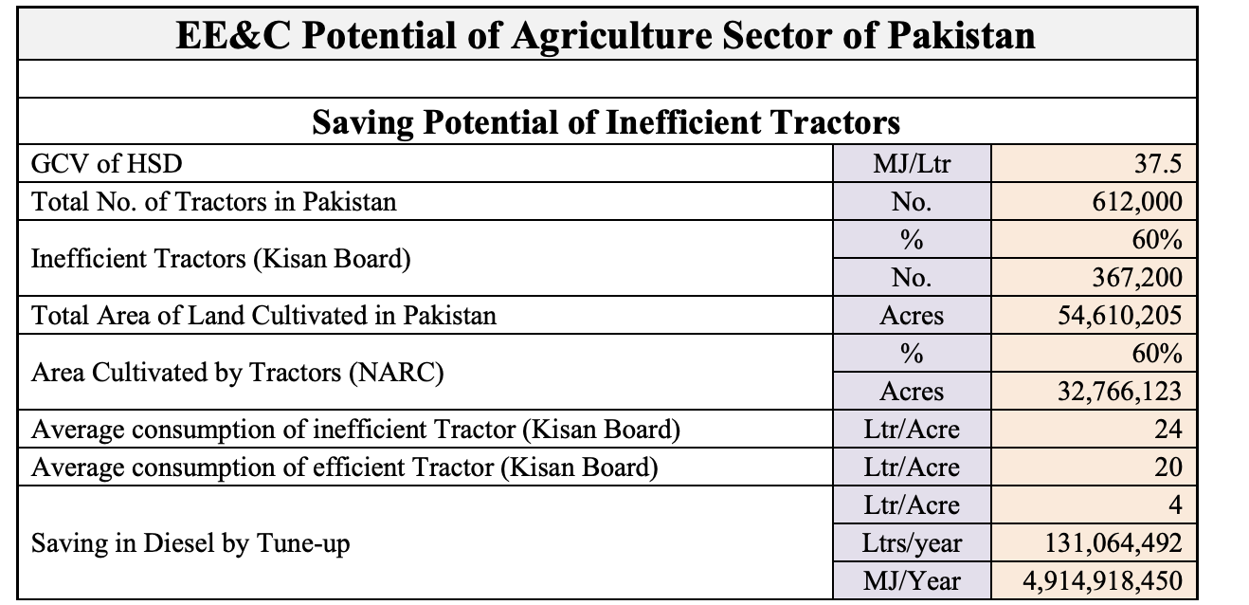
EF (CO2) for Diesel* | 73.2 | tonne/TJ
*Table 9, Pakistan 2nd National Communication | http://www.gcisc.org.pk/SNC_Pakistan.pdf
Converted for lt diesel | 0.002745 | tCO2/ l diesel

 | Project scenario | Source
Emissions per ha (tCO2/ha) | 0.152 | Calculated

 | MP Period
Share of land cultivated by tractor | 85% (2022) 100% (2023)
Total area cultivated by tractor (ha) (2022) | 5,991
Total area cultivated by tractor (ha) (2023) | 17,380

 |  | Percentage to Total ERs |  | Section 2.4. Energy Efficiency in Agriculture Sector, National Action Plan
Total tCO2 (2022) | 910 | 8% |  | https://neeca.pk/neecagov/neecafiles/DRAFT-NEEC-ACTION-PLAN-2023-2030.pdf
Total tCO2 (2023) | 2,641 | 7%
 | 3,551 | 7.6%

