Input data
Nhon Hoa 2 Wind Power Project

Items | Value | Unit | Note
Gross electricity capacity | 50.0 | MW | FSR, Volume 1.2, page 9 (P50)
Number of unit | 12.0 | - | FSR, Volume 1.2, page 9
Annual electricity outputs | 165.663 | GWh | FSR, Volume 1.1, page 18
Parasitic and loss load | 0.5% |  | FSR |  |  |  |  |  | Annual amount of electricity exported to the national grid
Mobilized amount of generated electricity by EVN | 100.0% | - | Assumption
Net annual electricity outputs | 164.834 | GWh | Calculated |  |  |  |  |  | -10% | 0 | 10.0% | 0%
Construction period | 1.00 | year | FSR |  |  |  |  | 12.38% | 149.10 | 165.663 | 182.23 | 165.66
Total investment cost | 88,079,120 | USD | Calculated |  |  | Electricity price | -10% | 0.1 | 6.58% | 9.29% | 12.06% | 9.29%
1 Construction cost | 398,636 | Mil VND | FSR, Volume 1.2, page 13 |  |  |  | 0 | 0.085 | 9.29% | 12.38% | 15.59% | 12.38%
2 Equipment cost | 1,402,123 | Mil VND | FSR, Volume 1.2, page 13 | 60,724,240.52 | (USD) |  | 10% | 0.1 | 12.06% | 15.59% | 19.30% | 15.59%
3. Compensation costs | 57,985 | Mil VND | FSR, Volume 1.2, page 13 |  |  |  | 0% | 0.1 | 9.29% | 12.38% | 15.59% | 12.38%
4. Management cost | 15,518 | Mil VND | FSR, Volume 1.2, page 13
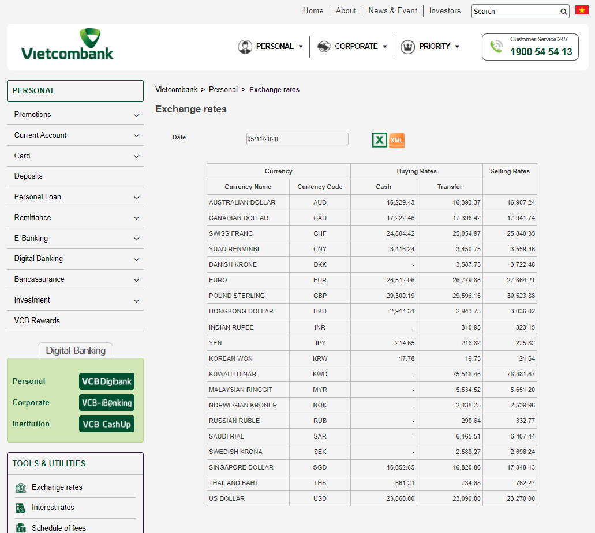
5. Consulting cost | 43,333 | Mil VND | FSR, Volume 1.2, page 13
7. Other cost | 57,124 | Mil VND | FSR, Volume 1.2, page 13 |  |  |  |  |  | 12.38%
8. Contingency cost | 59,028 | Mil VND | FSR, Volume 1.2, page 13 |  |  | Total investment cost | -10% | 79,271,208 | 15.73%
Analysis period including construction period | 21 | year | Calculated |  |  |  | 0 | 88,079,120 | 12.38%
Operating lifetime | 20 | year | AOM5000, Availability Term of WTGs |  |  |  | 10% | 96,887,032 | 9.74%
Electricity price | 0.085 | US/kWh | Decision 39/2018/QD-TTg dated 10/09/2018 |  |  |  | 0% | 88,079,120 | 12.38%
CO2 emission factor | 0.823 | gCO2/kWh or tCO2/GWh | Calculated
Total operating cost per year
Operating & maintenance cost per year |  |  |  | OM for 12 WTGs (USD) | OM cost per Equipment cost (%) | Average Annual OM cost for 12 turbines (USD) | OM cost per kWhr (USD)
Year 1-5 | 58,000 | USD/unit | Aligns with Industry Standard about the average maintanace cost per annum for onshore Wind power plants (see References Tab/ No 9 & 10 for O&M cost). REFs: VESTAS O&M Agreement AOM5000 (Service and Energy Based Availability Agreement), Clause 4 Price and Payment, page 119 (Interim Fee and Annual Base Fee for each Turbine) VESTAS O&M Agreement AOM5000 - Service and Energy Based Availability Side Agreement, Annex I (Interim Fee and Annual Base Fee breakdown) | 696,000 | 1.15% | 912,000 | 0.00551 | 1.04%
Year 6-10 | 78,000 | USD/unit |  | 936,000 | 1.54%
Year 11-15 | 83,000 | USD/unit |  | 996,000 | 1.64%
Year 16-20 | 85,000 | USD/unit |  | 1,020,000 | 1.68%
 |  |  |  | per WTG | annual cost per MW | cost per Equipment cost | average cost for 12 WTGs | Cost per kWhr
Management fee (% of revenue) | 5.0% | %
Asset insurance fee (% of investment cost) | 0.3% | % | This is the breakdown calculation based on the Project's Financial Analysis Detailed Inputs to support the analysis in FSR Volume 1.2, page 43. The estimation is aligned with the Industry Standard for Wind Power Plant at the time of investment. See References Tab for more. | 22,020 | 5,285 | 0.44% | 264,237 | 0.001595
Output guarantee insurance (% of revenue) | 0.7% | % |  | 8,173 | 1,962 | 0.16% | 98,076 | 0.000592
Major replacement/repairation cost (after 10 years) (% of investment cost) | 5.0% | % |  | 366,996 | 4,404 | 0.36% | 220,198 | 0.001329
 |  |  | Base O&M plus Major Replacement Costs |  |  | 1.86% | 1,132,198 | 0.00683
 |  |  | Total O&M plus additional insurances |  |  | 2.46% | 1,494,512 | 0.00902

Inflation rate | 4.57% | - | Average of 5 years forecast from WB data
Operation time | 3,313.25 | hours/year | Calculated
Load factor | 37.8 | % | FSR, Volume 1.1, Page 18 The Plant load factor (PLF) for this proposed project was determined by the annual electricity output and the capacity which were provided by the third party contracted by the project owner. So it is in line with the EB 48 annex 11 “The plant load factor determined by a third party contracted by the project participants (e.g. an engineering company)”

Exchange rate | 23,090 | VND/USD | https://portal.vietcombank.com.vn/en-us
Unit cost | 1,762 | USD/kW | Calculated

Year | 0
Investment Schedule | 100% |  | Construction and preparation period is 1 year (year 0)

