ER calc 2021
 | Achieved GHG emission reductions in the third monitoring period (1 Jan 2021 - 25 Aug 2021)

1 | Monitoring data
 | Quantity of net electricity that is generated and exported through the electricity grid (EGPJ, facility)
 |  |  | Engine-generator 1 & 2
 |  |  | EGPJ,facility | EGPJ,facility
 | Year | Month | kWh | MWh
 | 2021 | Jan | 0.00 | 0
 | 2021 | Feb | 0.00 | 0
 | 2021 | March | 0.00 | 0
 | 2021 | Apr | 162,053.72 | 162
 | 2021 | May | 536,370.67 | 536
 | 2021 | Jun | 536,107.12 | 536
 | 2021 | Jul | 541,244.50 | 541
 | 2021 | 1 - 25 Aug | 368,146.47 | 368
 | Total |  | 2,143,922.48 | 2143.92

 | The quantity of electricity used for the operation of the installed facilities (ECproject,y)
 | Source: monthly electricity bills of Empresa Eléctrica Regional Centro Sur C.A.

 | Electricity consumed from the grid

 | Year | Month* | A (07h00 - 18h00) | B (18h00 - 22h00) | C (22h00 - 07h00) | Total (kWh) | File
 | 2021 | Jan | 684.42 | 283.56 | 725.22 | 1693.20 | 01-ene-2021-M1.pdf
 | 2021 | Feb | 640.56 | 282.54 | 680.34 | 1603.44 | 02-feb-2021-M1.pdf**
 | 2021 | Feb | 818.04 | 330.48 | 832.32 | 1980.84 | 03-mar-2021-M1.pdf
 | 2021 | Apr | 3142.62 | 1196.46 | 2829.48 | 7,168.56 | 04-abr-2021-M1.pdf
 | 2021 | May | 6862.54 | 2941.69 | 7296.10 | 17,100.33 | 05-may-2021-M1.pdf**
 | 2021 | Jun | 7342.98 | 2920.26 | 7274.64 | 17,537.88 | 06-jun-2021-M1.pdf
 | 2021 | Jul | 7171.62 | 2853.96 | 7258.32 | 17,283.90 | 07-jul-2021-M1.pdf
 | 2021 | Aug | 7210.38 | 3060.00 | 7789.74 | 18,060.12 | 08-ago-2021-M1.pdf
 | Total |  |  |  |  | 82,428.26
 | * Please note that all monthly bills start on the third day of the month and end on the second day of the next month.
 | **The bills of these months did not arrive. EBE could download an electronic bill stored in the Internal Rent Service of Ecuador (SRI) system. This bill does only contain the costs in USD.
 | In order to calculate the electricity consumption, the costs (ZEHORA, ZEHORB and ZEHORC) have to be divided by the electricity price being 0.071 USD/kWh for ZEHORA (08h00 - 18h00)
 | 0.071 USD/kWh for ZEHOR B (18h00 - 22h00) and 0.059 USD/kWh for ZEHORC (22h00 - 08h00). The tariff per kWh can be verified by checking the normal bills that contain both kWh and USD.

 | Electricity consumed by the genset in mid voltage (22.000 V: substation and 480 V equipment)
 |  |  | ECproject
 | Year | Month* | Total (kWh) | File
 | 2021 | Jan | 0 | 01-ene-2021-M2.pdf
 | 2021 | Feb | 240.99 | 02-feb-2021-M2.pdf**
 | 2021 | March | 0 | 03-mar-2021-M2.pdf
 | 2021 | Apr | 430.00 | 04-abril-2021-M2.pdf
 | 2021 | May | 210.00 | 05-may-2021-M2.pdf**
 | 2021 | Jun | 221.00 | 06-jun-2021-M2 R.pdf
 | 2021 | Jul | 538.00 | 07-jul-2021-M2 R.pdf
 | 2021 | Aug | 296.06 | 08-aug-2021-M2.pdf**
 | Total |  | 1,936.04
 | * Please note that all monthly bills start on the second day of the month and end on the first day of the next month.
 | **The bills of these months did not arrive. EBE could download an electronic bill stored in the Internal Rent Service of Ecuador (SRI) system. This bill does only contain the costs in USD.
 | In order to calculate the electricity consumption, the cost (ZENERG) has to be divided by the electricity price being 0.071 USD/kWh.
 | The tariff per kWh can be verified by checking the normal bills that contain both kWh and USD.

 | Summary electricity consumption
 | ECproject, 2021 | 84.36 | MWh

2 | Parameters determined at validation not monitored
 | Parameter | Value | Unit | Source
 | OX | 0.1 | - | Default value
 | GWPCH4 | 28 |  | GWP_ch4 IPCC AR5 value
 | NCVCH4 | 35.9 |  | Default value
 | EEy | 36.1% |  | See details Engine-generator-1 (SFGM560, with electrical efficiency of 36.0%) and Engine-generator 2 (SGE-565SM, with electrical efficiency of 36.1%). Higest value selected as conservative approach.
 | DCH4 | 0.0007168 |  | ACM0001
 | EFgrid,y | 0.3349 |  | CO2 emission factor of the national Interconnected system determined by the Technical Commission for Determination of Greenhouse Gas Emission Factors.

3 | Emission reduction calculation - landfill methane recovery

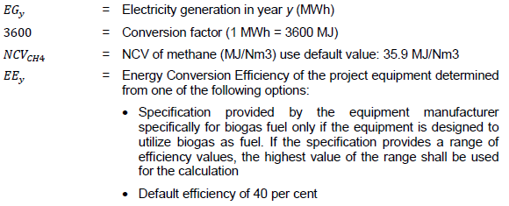

 | PEy=ECproject,y x EFgrid,y

3.1 | Baseline emissions landfill methane recovery
 | Year | EGPJ,facility | FCH4,PJ | BECH4,PJ,y
 | 1 Jan - 25 Aug 2021 | 2144 | 427 | 10757

 | Total | 2144 |  | 10757

3.2 | Project emissions landfill methane recovery

 | PEflare,y=0
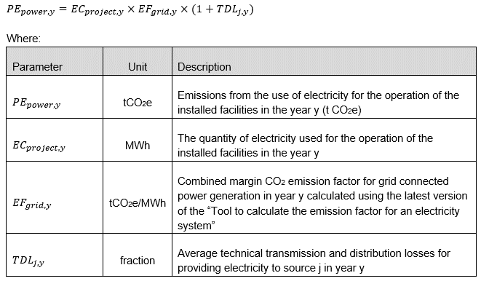

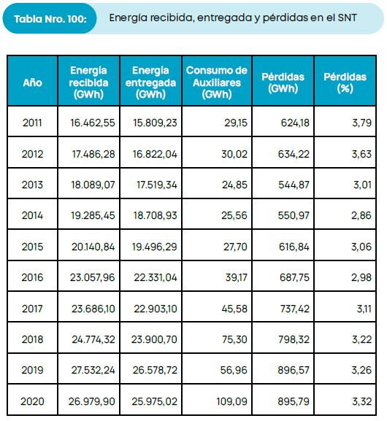
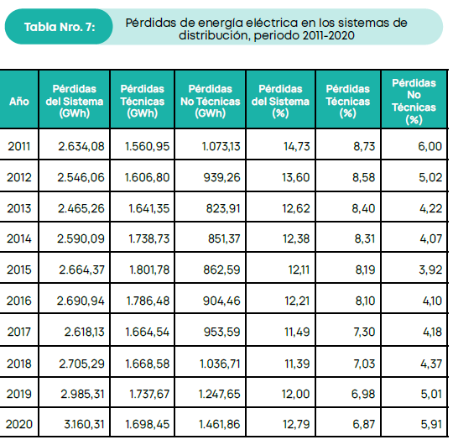

 | Technical distribution losses | 6.87% | Table 7 page 14 of Estadistica del sector electrico Ecuatoriano, 2020, Agencia de Rugulacion y Control de Energia y Recursos naturales No Renovables | https://www.controlrecursosyenergia.gob.ec/estadisticas-del-sector-electrico-ecuatoriano-buscar/
 | Transmission losses | 3.32% | Table 101, page 108 of Estadistica del sector electrico Ecuatoriano, 2020, Agencia de Rugulacion y Control de Energia y Recursos naturales No Renovables | https://www.controlrecursosyenergia.gob.ec/estadisticas-del-sector-electrico-ecuatoriano-buscar/
 | TDL,j,y | 9.96% | Calculated combination of technical and transmission losses

 |  | ECproject,y | EFgrid,y | PEpower,y
 | Year | MWh | t CO2e/MWh | t CO2e
 | 1 Jan - 25 Aug 2021 | 84.36 | 0.3349 | 31

 | Total | 84.36 |  | 31

3.3 | Emission reduction landfill methane recovery

 | Year | BECH4,PJ,y | PECH4,y | ERCH4,y
 | 1 Jan - 25 Aug 2021 | 10757 | 31 | 10726

 | Total | 10757 |  | 10726

4. | Emission reduction calculation - grid connected renewable electricity generation

4.1 | Baseline emissions - grid connected renewable electricity generation

 | Year | EGPJ,facility | EFgrid,y | BEelectricity,y
 | 1 Jan - 25 Aug 2021 | 2144 | 0.3349 | 718

 | Total | 2144 |  | 718

4.2 | Project emissions - grid connected renewable electricity generation

 | PEelectricity,y | = | 0

4.3 | Emission reduction - grid connected renewable electricity generation

 | Year | BEelectricity,y | PEelectricity,y | ERelectricity,y
 | 1 Jan - 25 Aug 2021 | 718 | 0 | 718

 | Total | 718 |  | 718

5 | Total emission reduction calculation

 | Year | Baseline emissions or removals (tCO2e) | Project emissions or removals (tCO2e) | Leakage emissions (tCO2e) | Net GHG emission reductions or removals (tCO2e)
 | 2021 (1 Jan - 25 Aug) | 11475 | 31 | 0 | 11444
 | Total | 11475 | 31 | 0 | 11444

Electricity generation 2021
DAY
 | Electricity generation by the project activity (kWh)
MONTH DAY | JANUARY | FEBRUARY | MARCH | APRIL | MAY | JUNE | JULY | AUGUST
1 | 0.00 | 0.00 | 0.00 | 0.00 | 18,268.48 | 17,765.87 | 15,231.83 | 18,656.67
2 | 0.00 | 0.00 | 0.00 | 0.00 | 17,437.20 | 11,846.98 | 13,466.19 | 13,706.04
3 | 0.00 | 0.00 | 0.00 | 0.00 | 18,836.68 | 17,410.94 | 18,370.93 | 15,559.97
4 | 0.00 | 0.00 | 0.00 | 0.00 | 15,590.59 | 18,066.89 | 17,418.17 | 17,476.98
5 | 0.00 | 0.00 | 0.00 | 0.00 | 17,678.93 | 18,004.56 | 18,213.98 | 13,341.56
6 | 0.00 | 0.00 | 0.00 | 0.00 | 18,996.10 | 18,168.16 | 18,878.70 | 16,226.43
7 | 0.00 | 0.00 | 0.00 | 0.00 | 14,407.43 | 18,848.68 | 17,913.89 | 16,763.75
8 | 0.00 | 0.00 | 0.00 | 0.00 | 19,329.24 | 19,202.93 | 17,722.03 | 13,526.73
9 | 0.00 | 0.00 | 0.00 | 0.00 | 17,052.06 | 19,114.29 | 18,092.42 | 13,525.85
10 | 0.00 | 0.00 | 0.00 | 0.00 | 17,860.60 | 19,124.63 | 18,439.03 | 13,836.86
11 | 0.00 | 0.00 | 0.00 | 0.00 | 19,125.85 | 18,727.34 | 18,711.68 | 12,166.27
12 | 0.00 | 0.00 | 0.00 | 0.00 | 19,016.45 | 18,921.58 | 19,105.86 | 9,935.90
13 | 0.00 | 0.00 | 0.00 | 0.00 | 17,309.64 | 18,850.12 | 19,206.86 | 7,860.65
14 | 0.00 | 0.00 | 0.00 | 0.00 | 14,332.86 | 18,603.85 | 18,677.93 | 14,102.04
15 | 0.00 | 0.00 | 0.00 | 0.00 | 17,840.73 | 18,994.37 | 19,886.57 | 14,043.06
16 | 0.00 | 0.00 | 0.00 | 0.00 | 18,121.38 | 18,260.42 | 16,243.41 | 14,656.72
17 | 0.00 | 0.00 | 0.00 | 0.00 | 18,121.13 | 17,562.52 | 13,735.67 | 15,654.41
18 | 0.00 | 0.00 | 0.00 | 0.00 | 18,184.43 | 13,154.14 | 7,973.76 | 16,270.39
19 | 0.00 | 0.00 | 0.00 | 0.00 | 18,499.30 | 16,935.73 | 2,617.41 | 12,891.80
20 | 0.00 | 0.00 | 0.00 | 6,391.29 | 17,555.09 | 17,227.27 | 19,570.54 | 14,913.13
21 | 0.00 | 0.00 | 0.00 | 13,109.40 | 8,377.92 | 17,533.66 | 19,404.56 | 16,682.22
22 | 0.00 | 0.00 | 0.00 | 13,796.34 | 13,000.07 | 18,230.77 | 20,001.80 | 18,242.38
23 | 0.00 | 0.00 | 0.00 | 16,431.62 | 16,017.22 | 18,610.58 | 17,588.97 | 14,679.78
24 | 0.00 | 0.00 | 0.00 | 13,278.51 | 17,330.07 | 16,966.74 | 19,772.00 | 15,674.18
25 | 0.00 | 0.00 | 0.00 | 16,857.27 | 18,288.51 | 18,491.74 | 18,079.70 | 17,752.71
26 | 0.00 | 0.00 | 0.00 | 13,741.68 | 18,403.25 | 18,934.03 | 20,497.92
27 | 0.00 | 0.00 | 0.00 | 16,893.59 | 18,748.69 | 18,778.74 | 19,699.31
28 | 0.00 | 0.00 | 0.00 | 17,333.15 | 18,823.75 | 19,098.97 | 17,434.68
29 | 0.00 | - | 0.00 | 15,825.48 | 18,310.35 | 19,037.94 | 19,986.90
30 | 0.00 | - | 0.00 | 18,395.37 | 17,042.67 | 15,632.68 | 19,330.00
31 | 0.00 | - | 0.00 | - | 18,464.01 | - | 19,971.82
 | 0.00 | 0.00 | 0.00 | 162,053.72 | 536,370.67 | 536,107.12 | 541,244.50 | 368,146.47

