LEAKAGE
LEAKEAGE

i) Estimation of N2O emissions:
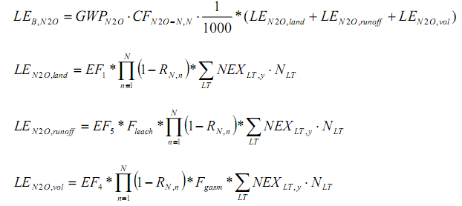

Parameter | Value |  | Unit | Source | Instruction
 | Market Swine | Breeding Swine
NLT | 139,800 | 97,470 | No of heads | project evaluation report
Nrate | 0.42 | 0.24 | kg N/1000kg animal mass/day | 2006 IPCC default value, vol. 4, ch. 10, tbl. 10.19
NEXLT,y | 10.12 | 8.58 | kg N/animal/year | calculated
RN,n | 80% | 80% | - | Appendix 1 (anaerobic digester as "covered first cell of 2 cell lagoon") of ACM0010 | Fraction of NEX in manure waste that is reduced in the baseline AWMS.
EF1 | 0.01 | 0.01 | kg N2O-N/kg N | table 11.1, chapter 11, volume 4, 2006 IPCC | emission factor for direct emission of N2O from soil
EF5 | 0.0075 | 0.0075 | kg N2O-N/kg N | table 11.3, chapter 11, volume 4, 2006 IPCC
EF4 | 0.01 | 0.01 | kg N2O-N/kg N | table 11.3, chapter 11, volume 4, 2006 IPCC | emission factor for N2O emission from atmospheric deposition of N on soil aond water surfaces
Fleach | 0.3 | 0.3 |  | table 11.3, chapter 11, volume 4, 2006 IPCC
Fgasm | 0.2 | 0.2 | kg NH3-N,Nox-N/kg N | 2006 IPCC default value, vol. 4, ch. 11, tbl.11.3 | fraction of animal manure N that volatizes as NH3 and Nox
GWPN2O | 265 | 265 | tCO2/tN2O | IPCC AR5
LEN2O,land,y | 2,828 | 1,673 | kg N2O-N/year | calculated
 | 4,501 |  | kg N2O-N/year
LEN2O,runoff,y | 636 | 376 | kg N2O-N/year | calculated
 | 1,012 |  | kg N2O-N/year
LEN2O,vol,y | 565 | 334 | kg N2O-N/year | calculated
 | 899 |  | kg N2O-N/year
LEBL,N2O,y | 2,670 |  | tCO2e | calculated
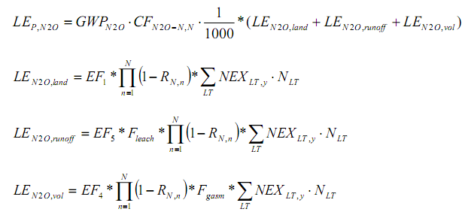

Parameter | Value |  | Unit | Source
 | Market Swine | Breeding Swine
NLT | 139,800 | 97,470 | No of heads | at the project site
NEXLT | 10.12 | 8.58 | kg N/animal/year | calculated
RN | 25% | 25% | - | Estimated from Table provided in Annex 1 (anaerobic digester as "covered first cell of 2 cell lagoon") of ACM0010 and further explanation of the table from Development Document for the Proposed Revisions to the National Pollutant Discharge Elimination System Regulation and the Effluent Guidelines for Concentrated Animal Feeding Operations, Table 8-10 and Chapter 8.2 (US-EPA, 2001)
RN | 5% | 5% | -
EF1 | 0.01 | 0.01 | kg N2O-N/kg N | table 11.1, chapter 11, volume 4, 2006 IPCC
EF5 | 0.0075 | 0.0075 | kg N2O-N/kg N | table 11.3, chapter 11, volume 4, 2006 IPCC
EF4 | 0.01 | 0.01 | kg N2O-N/kg N | table 11.3, chapter 11, volume 4, 2006 IPCC
Fleach | 0.3 | 0.3 | kg N | table 11.3, chapter 11, volume 4, 2006 IPCC
Fgasm | 0.2 | 0.2 | kg NH3-N,Nox-N/kg N | 2006 IPCC default value, vol. 4, ch. 11, tbl.11.3 (According to Chapter 8.2 in US-EPA (2001), "a covered lagoon will not lose NH3-N to the atmosphere")
GWPN2O | 265 | 265 | tCO2/tN2O | IPCC AR5
LEN2O,land,y | 10,079 | 5,962 | kg N2O-N/year | calculated
 | 16,041 |  | kg N2O-N/year | calculated
LEN2O,runoff,y | 2,268 | 1,342 | kg N2O-N/year | calculated
 | 3,610 |  | kg N2O-N/year | calculated
LEN2O,vol,y | 2,016 | 1,193 | kg N2O-N/year | calculated
 | 3,209 |  | kg N2O-N/year | calculated
LEP,N2O | 9,520 |  | tCO2e | calculated

ii)Methane emissions from disposal of treated manure

Parameter | Value |  | Unit | Source
 | Market Swine | Breeding Swine
GWPCH4 | 28 | 28 | tCO2e/tCH4 | IPCC AR5
DCH4 | 0.00067 | 0.00067 | t/m3 | Default value ACM0010,page 30
MCFd | 1 | 1 | - | Default value ACM0010,page 30
VSLT,y | 258.11 | 383.25 | kg/hd/y | Calculated
NLT | 139,800 | 97,470 | No of heads | project evaluation report
Bo,LT | 0.29 | 0.29 | m3 CH4/kg-VS | 2006 IPCC guideline, volume 4, chapter 10
RVS | 85% | 85% | - | Appendix 1 (uncovered anaerobic lagoon as "one cell lagoon") of ACM0010
MS%j | 100% | 100% | - | Fraction of manure handled in system j
LEBL,CH4,y | 29,446 | 30,484 | tCO2e | calculated
 | 59,930

Parameter | Value |  | Unit | Source
 | Market Swine | Breeding Swine
GWPCH4 | 28 | 28 | tCO2e/tCH4 | IPCC AR5
DCH4 | 0.00067 | 0.00067 | t/m3 | Default value ACM0010,page 30
MCFd | 1 | 1 | - | Default value ACM0010,page 30
VSLT,y | 258.11 | 383.25 | kg/hd/y | Calculated
NLT | 139,800 | 97,470 | No of heads | at the project site
B0,LT | 0.29 | 0.29 | m3 CH4/kg-VS | 2006 IPCC guideline, volume 4, chapter 10
RVS | 80% | 80% | - | Appendix 1 coverded first cell of two cell lagoon
RVS | 20% | 20% | - | Appendix 1 underfloor pit storage
MS%j | 100% | 100% | -
LE PJ,CH4 ,y | 31,410 | 32,517 | tCO2e | calculated
 | 63,927

LEB,CH4 | 59,930 | tCO2e
LEp,CH4 | 63,927 | tCO2e
LEB,N2O | 2,670 | tCO2e
LEp,N2O | 9,520 | tCO2e

LEAKAGE LEy = | 10,847 | tCO2e

a. LEB,CH4 CH4- land application
Parameter | Value |  | Unit | Source
 | Market Swine | Breeding Swine
VSLT,M | 0.01 | 0.02 | kg/animal/day | 2006 IPCC guideline, volume 4, chapter 10
Npopulation(head, animal population) | 640,000 | 44,000 | numbers | at the project site
MCFd | 1 | 1 |  | 2006 IPCC guideline, volume 4, chapter 10
B0,LT | 0.36 | 0.39 | m3 CH4/kg-VS | 2006 IPCC guideline, volume 4, chapter 10
Rvs,n | 70% | 70% |  | Annex 1, ACM0010
Total CH4 emissions | 3,549.69 | 528.76 |  | calculated
from Land Application(tCO2e) | 4,078

