ER 2024 consolidated
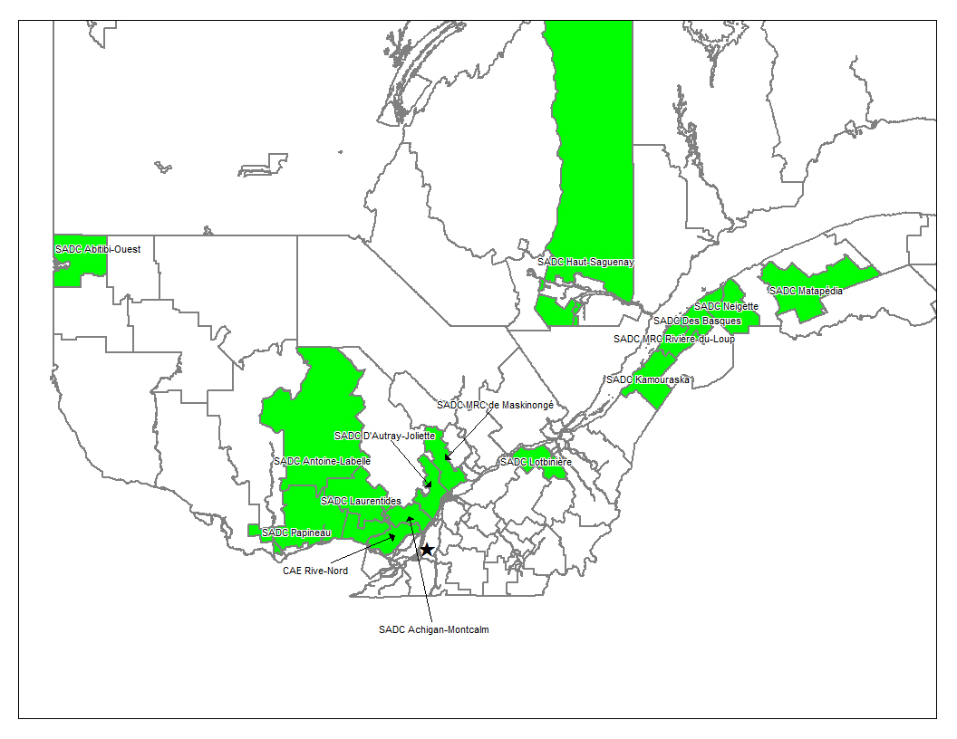
Annex B
Quebec's Sustainable Community project |  |  |  |  |  |  |  | 2024
Summation fo the GHG emissions, baseline, projects and reduction quantification
The 9th Monitoring Report to be submitted to the VCS program covering the period of 01-January-2024 to 31-December-2024

Last revised version: October 10, 2025
 |  |  |  |  |  | GHG emissions in (tCO2e)
 | Group of members (Region) | NBR MEMBRE COMMUNAUTÉ DURABLE | Nbr of PAI, Scope 3 | Nbr of PAI, scope 13 | Total PAI | Baseline emissions (tCO2e) | Project emissions (tCO2e) | Leakage emissions (tCO2e) | Net GHG emission reductions (tCO2e)
1 | 01-Bas-Saint-Laurent | 12 | 20 | 24 | 44 | 9,797 | 504 | de minimus | 9,293
2 | 02-Saguenay Lac-Saint-Jean | 6 | 14 | 133 | 147 | 63,530 | 3,639 | de minimus | 59,891
3 | 04-Mauricie | 3 | 2 | 24 | 26 | 40,577 | 6,334 | de minimus | 34,243
4 | 06-Montréal | 1 | 1 | 14 | 15 | 19,284 | 0 | de minimus | 19,284
5 | 07-Outaouais | 6 | 13 | 59 | 72 | 26,701 | 117 | de minimus | 26,584
6 | 08-Abitibi-Témiscamingue | 3 | 19 | 3 | 22 | 6,955 | 108 | de minimus | 6,847
7 | 09-Côte-Nord | 2 | 4 | 60 | 64 | 73,232 | 1,411 | de minimus | 71,821
8 | 10-Nord-du-Québec | 1 | 3 | 17 | 20 | 63,937 | 202 | de minimus | 63,735
9 | 12- Chaudière-Appalaches | 6 | 33 | 6 | 39 | 17,100 | 5,886 | de minimus | 11,214
10 | 13-Laval | 1 | 7 | 0 | 7 | 3,046 | 1,325 |  | 1,721
11 | 14- Lanaudière | 0 | 0 | 0 | 0 | 0 | 0 | de minimus | 0
12 | 15- Laurentides | 8 | 32 | 158 | 190 | 69,436 | 1,840 | de minimus | 67,596
13 | 16- Montérégie | 5 | 152 | 1,601 | 1,753 | 208,356 | 2,128 | de minimus | 206,228
14 | 17-Centre du Québec | 0 | 0 | 0 | 0 | 0 | 0 | de minimus | 0
Total | 14 | 54 | 300 | 2,099 | 2,399 | 601,951 | 23,494 | 0 | 578,457 | 0

 |  |  |  |  |  |  |  |  | 0.0
Yearly average of tCO2e per PAI for this MP: |  | 241

Consolidation of client facilities excluded from this monitoring period due to non-participation
See the "Non-participation" sheet for details of the reason for non-participation.

 | Group of client facilities | Number of Client Facility per group | Number of PAI Scope 3 | Number of PAI Scope 13 | Total PAI
1 | 01-Bas-Saint-Laurent | 8 | 103 | 4 | 107
2 | 02-Saguenay Lac-Saint-Jean | 8 | 9 | 5 | 14
3 | 04-Mauricie | 4 | 5 | 53 | 58
4 | 06-Montréal | 1 | 2 | 2 | 4
5 | 07-Outaouais | 4 | 3 | 12 | 15
6 | 08-Abitibi-Témiscamingue | 5 | 5 | 0 | 5
7 | 09-Côte-Nord | 0 | 0 | 4 | 4
8 | 10-Nord-du-Québec | 0 | 0 | 0 | 0
9 | 12- Chaudière-Appalaches | 1 | 1 | 0 | 1
10 | 13-Laval | 0 | 0 | 0 | 0
11 | 14- Lanaudière | 3 | 9 | 3 | 12
12 | 15- Laurentides | 7 | 35 | 16 | 51
13 | 16- Montérégie | 0 | 2 | 6 | 8
14 | 17-Centre du Québec | 1 | 4 | 0 | 4
Total |  | 42 | 178 | 105 | 283

 | Total CF's across monitoring periods (2010-2019; 2020-2023); |  | Total PAIs across monitoring periods (2010-2019; 2020-2023);
 | 96 |  | 2,682

 | Quebec territory; all members and group located inside.

