ER 2023 consolidated
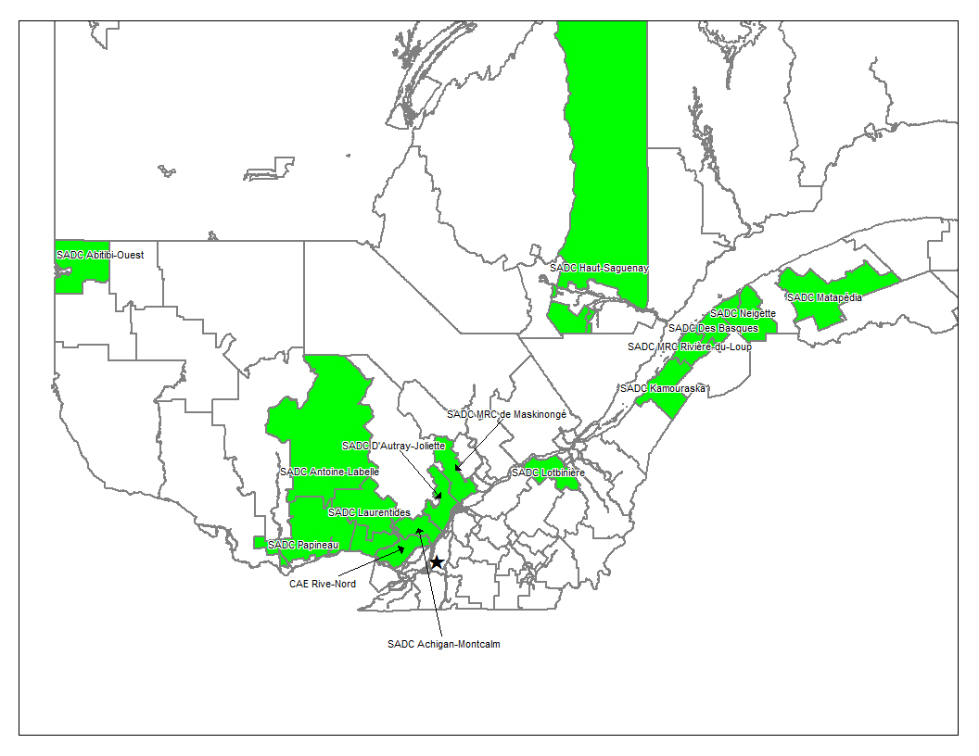
Annex B
Quebec's Sustainable Community project |  |  |  |  |  |  |  | 2023
Summation fo the GHG emissions, baseline, projects and reduction quantification
The 8th Monitoring Report to be submitted to the VCS program covering the period of January 1st 2023 to December 31th 2023

Last revised version: April 11, 2025
 |  |  |  |  |  | GHG emissions in (tCO2e)
 | Group of members (Region) | NBR MEMBRE COMMUNAUTÉ DURABLE | Nbr of PAI, Scope 3 | Nbr of PAI, scope 13 | Total PAI | Baseline emissions (tCO2e) | Project emissions (tCO2e) | Leakage emissions (tCO2e) | Net GHG emission reductions (tCO2e)
1 | 01-Bas-Saint-Laurent | 15 | 89 | 26 | 115 | 10,117 | 918 | de minimus | 9,199
2 | 02-Saguenay Lac-Saint-Jean | 8 | 16 | 133 | 149 | 110,854 | 4,824 | de minimus | 106,030
3 | 04-Mauricie | 4 | 3 | 25 | 28 | 46,268 | 33 | de minimus | 46,235
4 | 06-Montréal | 0 | 0 | 0 | 0 | 0 | 0 | de minimus | 0
5 | 07-Outaouais | 6 | 12 | 62 | 74 | 25,513 | 120 | de minimus | 25,393
6 | 08-Abitibi-Témiscamingue | 3 | 19 | 3 | 22 | 7,106 | 74 | de minimus | 7,032
7 | 09-Côte-Nord | 1 | 4 | 50 | 54 | 70,340 | 1,995 | de minimus | 68,345
8 | 10-Nord-du-Québec | 1 | 0 | 24 | 24 | 64,705 | 0 | de minimus | 64,705
9 | 12- Chaudière-Appalaches | 5 | 33 | 5 | 38 | 24,062 | 8,523 | de minimus | 15,539
10 | 14- Lanaudière | 0 | 0 | 0 | 0 | 0 | 0 | de minimus | 0
11 | 15- Laurentides | 9 | 32 | 162 | 194 | 99,391 | 2,140 | de minimus | 97,251
12 | 16- Montérégie | 4 | 154 | 1,601 | 1,755 | 191,694 | 1,910 | de minimus | 189,784
13 | 17-Centre du Québec | 1 | 1 | 2 | 3 | 5,845 | 1 | de minimus | 5,844
Total | 13 | 57 | 363 | 2,093 | 2,456 | 655,895 | 20,538 | 0 | 635,357 | 0

 |  |  |  |  |  |  |  |  | 0.0

Consolidation of client facilities excluded from this monitoring period due to non-participation
See the "Non-participation" sheet for details of the reason for non-participation.

 | Group of client facilities | Number of Client Facility per group | Number of PAI Scope 3 | Number of PAI Scope 13 | Total PAI
1 | 01-Bas-Saint-Laurent | 5 | 33 | 2 | 35
2 | 02-Saguenay Lac-Saint-Jean | 6 | 6 | 5 | 11
3 | 04-Mauricie | 3 | 3 | 53 | 56
4 | 06-Montréal | 1 | 2 | 2 | 4
5 | 07-Outaouais | 3 | 3 | 9 | 12
6 | 08-Abitibi-Témiscamingue | 5 | 5 | 0 | 5
7 | 09-Côte-Nord | 0 | 0 | 3 | 3
8 | 10-Nord-du-Québec | 1 | 0 | 0 | 0
9 | 12- Chaudière-Appalaches | 1 | 1 | 0 | 1
10 | 14- Lanaudière | 3 | 9 | 3 | 12
11 | 15- Laurentides | 6 | 34 | 10 | 44
12 | 16- Montérégie | 0 | 0 | 5 | 5
13 | 17-Centre du Québec | 0 | 1 | 0 | 1
Total |  | 34 | 97 | 92 | 189

 | Total CF's across monitoring periods (2010-2019; 2020-2023); |  | Total PAIs across monitoring periods (2010-2019; 2020-2023);
 | 91 |  | 2,645

 | Quebec territory; all members and group located inside.

