Deforestation Rate
$${BetaReg}_{DF}(t)$$
$${size}_{projectArea}$$
$${size}_{referenceForest}$$
$$D_{RR,baselineScenario,DF}(t)$$
t |  |  |  |  |  | Calculation of Scarcity Factor |  |  |  |  |  | Stock tCO2e/ha
Time since project start (negative before project start). [year] |  | Beta regression model describing the relationship between time and the rate of deforestation/degradation in the reference region (INCLUDING PROJECT AREA AND LEAKAGE BELT) during the reference historical period. [ha/year] | Beta regression model describing the relationship between time and the rate of deforestation / degradation in the reference region during the reference historical period. [ha/year] | Total size of forest area in the reference region. [ha] | Baseline rate of deforestation within the reference region during the year [ha/year] | SC1 | SC2 | Remaining forest area in the RR | Scarcity factor value | Deforestation rate in RR with scarcity factor [ha/year] | Carbon emission due to deforestation within the RR during the year. [tCO2e/year] | -534.49
-10 | 2007 | 927.63 | 169,956.810 | 466,168.32 |  |  |  |  |  |  | 0.00
-9 | 2008 | 2,461.95 |  |  |  |  |  |  |  |  | 0.00
-8 | 2009 | 918.63 |  |  |  |  |  |  |  |  | 0.00
-7 | 2010 | 1,602.36 |  |  |  |  |  |  |  |  | 0.00
-6 | 2011 | 1,765.71 |  |  |  |  |  |  |  |  | 0.00
-5 | 2012 | 1,157.76 |  |  |  |  |  |  |  |  | 0.00
-4 | 2013 | 1,984.86 |  |  |  |  |  |  |  |  | 0.00
-3 | 2014 | 2,753.01 |  |  |  |  |  |  |  |  | 0.00
-2 | 2015 | 3,032.64 |  |  |  |  |  |  |  |  | 0.00
-1 | 2016 | 3,802.23 |  |  |  |  |  |  |  |  | 0.00
0 | 2017 | 3,883.64 |  |  | 3,883.64 | -15.06 | 0.67 | 466,168.32 | 0.9999518 | 3,883.46 | -2,075,653.36
1 | 2018 | 4,416.28 |  |  | 4,416.28 | -15.06 | 0.67 | 462,284.68 | 0.9999509 | 4,416.06 | -2,360,324.33
2 | 2019 | 5,003.30 |  |  | 5,003.30 | -15.06 | 0.67 | 457,868.39 | 0.9999498 | 5,003.05 | -2,674,061.47
3 | 2020 | 5,648.68 |  |  | 5,648.68 | -15.06 | 0.67 | 452,865.09 | 0.9999486 | 5,648.39 | -3,018,985.13
4 | 2021 | 6,355.38 |  |  | 6,355.38 | -15.06 | 0.67 | 447,216.41 | 0.9999473 | 6,355.04 | -3,396,681.37
5 | 2022 | 7,125.28 |  |  | 7,125.28 | -15.06 | 0.67 | 440,861.03 | 0.9999457 | 7,124.90 | -3,808,157.76
6 | 2023 | 7,959.03 |  |  | 7,959.03 | -15.06 | 0.67 | 433,735.75 | 0.9999439 | 7,958.59 | -4,253,752.52
7 | 2024 | 8,855.79 |  |  | 8,855.79 | -15.06 | 0.67 | 425,776.72 | 0.9999418 | 8,855.28 | -4,733,022.58
8 | 2025 | 9,813.07 |  |  | 9,813.07 | -15.06 | 0.67 | 416,920.92 | 0.9999393 | 9,812.48 | -5,244,631.15
9 | 2026 | 10,826.52 |  |  | 10,826.52 | -15.06 | 0.67 | 407,107.85 | 0.9999365 | 10,825.83 | -5,786,254.15
 |  |  |  | page 53, 8.1.5.1 |  |  |  |  |  |  | -37,351,523.81

L(1)
$${Δarea}_{{pasture,baseline}^{(i)}}$$
$${Δarea}_{{pasture,project}^{(i)}}$$
1) | AÑO | CF |  | OM (i) | OM (pasture) | OM (i) - OM (Pasture) | L(1)
 |  | Carbon fraction of dry matter (default = 0.5). [MgC/Mg.dm] | Forest area converted from forest stratum "i" to pasture at the beginning of the crediting period. [ha/year] | Average organic matter for the forest stratum according to the INFF (2019). [Mg.dm/ha] | Average organic matter of pastures. |  | Annual carbon loss from conversion of forest land to pasture. [Mg.C/year] | Forest area converted from forest stratum "i" to pasture at the beginning of the crediting period. [ha/year]
 | 2020 | 0.50 | 909.45 | 372.68 | 66.47 | 306.21 | 139,239.11 | 259.19
 | 2021 | 0.50 | 983.61 | 372.68 | 66.47 | 306.21 | 150,593.20 | 280.33

Contribution
$${proportion}_{DF}$$
$$(d)$$
$${proportion}_{DF}$$
$${ΔC}_{DF}$$
$${contribution}_{DF}$$
2) | L(1)
 | Annual carbon loss associated with driver "d". [MgC/year] | Proportion of gradual carbon loss leading to deforestation or forest degradation, respectively, due to driver L(d). | Total carbon loss due to deforestation. [MgC/year] | Relative contribution of driver "d" to total deforestation. L(1)
2020 | 139,239.11 | 100% | 139,239.11 | 1.00
2021 | 150,593.20 | 100% | 150,593.20 | 1.00

EF
 |  |  |  |  |  |  | Non Harvest Area Discounting Factor
CARBON | Source | AGL |  | BG |  | TOTAL | SUM OF MEANS | summation HWCI(OM(CSx)2 | CE transition | U transition | CE inventory | U inventory
 |  | Mean | CI | Mean | CI |  | 186.34 | 4.28 | 0.014 | 1 | 0.011096182039 | 1
CS1 (forest land) | https://infocarbono.minam.gob.pe/wp-content/uploads/2021/06/RAGEI_UTCUTS_2016_11-06-21.xlsx | 147.705 | 2.00 | 38.64 | 0.52 | 186.34 | 33.23745 | 425.52
CS2 (pasture) |  | 2.75095 | 1.5102 | 30.4865 | 9.2745 | 33.24
Emission Factor (tCO2/ha) |  | -531.50 |  | -2.99 |  | -534.49
 |  |  |  |  |  |  | Harvest Area Discounting Factor
Forest Land Biomass |  |  |  |  |  |  | SUM OF MEANS | summation HWCI(OM(CSx)2 | CE transition | U transition | CE inventory | U inventory, harvest
AGL |  |  |  |  |  |  | 186.34 | 4.28 | 0.014 | 1 | 0.011096182039 | 1
n | gl | X (t/ha) | SE | DE | IC | HCWI(OM) | 33.23745 | 425.52
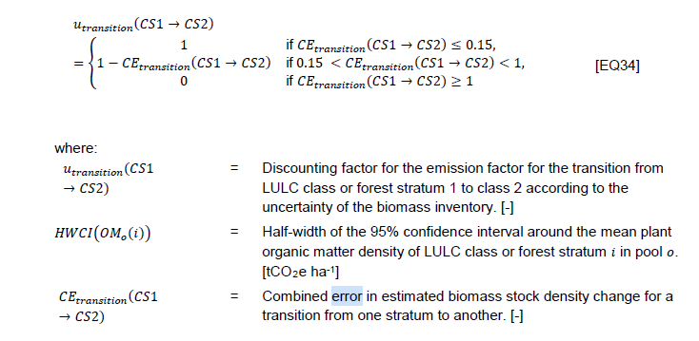
119 | 118 | 295.41 | 1.0102017437 | 11.02 | 2.0004744793 | 2.0004744793

BG |  |  |  |  |  |  | Parameters | Forest land |  | Pasture
n | gl | X | SE | DE | IC | HCWI(OM) |  | AGL | BG | AGL | BG
119 | 118 | 77.27 | 0.26400916714 | 2.88 | 0.52281002725 | 0.52281002725 | Sample size | 119 | 119 | 3 | 3
 |  |  |  |  |  |  | Degrees of freedom | 118 | 118 | 2 | 2
Pasture Biomass |  |  |  |  |  |  | Average (t / ha) | 295.41 | 77.27 | 5.50 | 60.97
AGL |  |  |  |  |  |  | Standard error | 1.01 | 1.58 | 0.77 | 1.58
n | gl | X (t/ha) | SE | DE | IC | HCWI(OM) | Standard deviation | 11.02 | 2.88 | 1.33 | 8.20
3 | 2 | 5.5019 | 0.77053166926 | 1.3346 | 3.3153301901 | 3.3153301901 | Confidence interval | 1.98 | 0.52 | 1.51 | 9.27
 |  |  |  |  |  |  | HCWI(OM)i | 2.00 | 3.13 | 3.32 | 6.80
BG
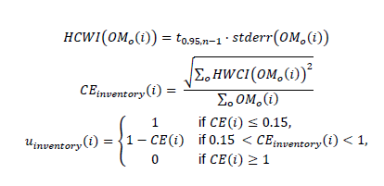
n | gl | X | SE | DE | IC | HCWI(OM)
3 | 2 | 60.973 | 4.7319628063 | 8.196 | 20.359992686 | 20.359992686

X AGL | DE | X BG | DE
550.19 | 133.46 | 6097.3 | 819.6
5.5019 | 1.3346 | 60.973 | 8.196
5.5019 | 1.5102 | 60.973 | 9.2745

1
$${nrFNFtranstions}_{}$$
$$u_{classification}(i)$$
$$u_{transition}(i)$$
${EF}_{AGL}\left(i\right)+{EF}_{AGD}(i,t−tt)$ + ${EF}_{BG}(i, t−tt)$
$${Δarea}_{{projectAreaEAH,projectScenario}^{(i)}}$$
$${Δarea}_{{projectAreaEAH,baselineScenario}^{(i)}}$$
$$D_{{projectArea,projectScenario,DF}^{(t)}}$$
$$D_{{projectArea,baselineScenario,DF}^{(t)}}$$
$${area}_{projectArea,Withharvest,projectScenario}(t,i)$$
 |  |  |  |  |  |  |  |  |  |  | Project Area (ha) | 169,956.81
 |  | Number of forest/non-forest transitions between land classes or forest strata |  |  | Pastures | Hectares in transition ii within the project area, excluding ANR and harvest areas, in the project scenario during year t | Hectares in transition ii within the project area, excluding ANR and harvest areas, in the base scenario during year t | Absolute rate of deforestation in hectares per year in the project region. [ha/year] | Reference rate of deforestation/degradation within the project area during year t of the crediting period. [hayr-1] | Size of strata ii within the project area with harvesting activities during year tt under the project scenario.
2020 | 474,115.47 | 1 | 1 | 1 | -534.49 | 0.00 | 887.049424 | 0.00 | 909.45 | 12,090.06
2021 | 492,255.29 | 1 | 1 | 1 | -534.49 | 0.00 | 920.988240 | 0.00 | 983.61 | 4,186.19

2
$${nrFNFtranstions}_{}$$
$$u_{classification}(i)$$
$$u_{transition}(i)$$
${EF}_{AGL}\left(i\right)+{EF}_{AGD}(i,t−tt)$ + ${EF}_{BG}(i, t−tt)$
$${Δarea}_{{leakageArea,projectScenario}^{(i)}}$$
$${Δarea}_{{leakageArea,baselineScenario}^{(i)}}$$
$$D_{{leakageArea,projectScenario,DF}^{(t)}}$$
$$D_{{leakageArea,baselineScenario,DF}^{(t)}}$$
 | If, is > 0, is = 0
 |  |  | Number of forest/non-forest transitions between land classes or forest strata |  |  | Pastures | Hectares in transition ii within the leakage area in the project scenario during year t. [ha yr-1] | Hectares in transition ii within the leakage area in the baseline scenario during year t. [ha yr-1]. | Deforestation/degradation rate within the leakage area in the project scenario at time tt of the crediting period. [ha/year] | Reference rate of deforestation/degradation within the leakage zone at time tt of the crediting period. [ha/year]
2020 | 0.00 | 333,893.38 | 1 | 1 | 1 | -534.49 | 574.01 | 1,198.71 | 574.01 | 1,198.71
2021 | 0.00 | 392,334.08 | 1 | 1 | 1 | -534.49 | 760.68 | 1,494.72 | 760.68 | 1,494.72

7
$$C_{LWP,project}(t)$$
$$C_{LWP,baseline}(t)$$
$${wwf}_{(ty)}$$
$${slp}_{(ty)}$$
$${fo}_{(ty)}$$
$$C_{HWP,project}(ty,t)$$
$$C_{HWP,baseline}(ty,t)$$
$$ρ_{wood,j}$$
$${CT}_{project}(h,j,ty,t)$$
$${CT}_{baseline}$$
$${CT}_{baseline}$$
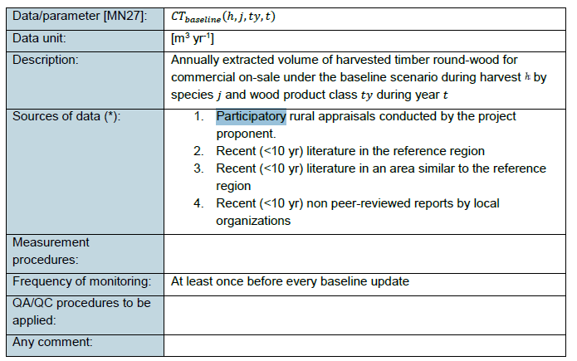
 |  |  |  |  |  |  | ty |  |  |  | Basic Density Source | CF | Species
 | Net change in carbon stocks in long-lived wood products during year t [Mg CO2] | carbon in long-lived wood products within the project. [MgC] | carbon in long-lived wood products under the reference scenario. [MgC] | Applicable fraction (24%) * total carbon for each product class | proportion of short-lived products. These fractions are 0.2, 0.1, 0.4 and 0.3 respectively for the class of wood ty, i.e. sawn lumber, wood panels, paper and cardboard and other industrial round lumber as described in Winjum and others (1998). The methodology assumes that all other classes of wood products are issued within 5 years. | Fraction of carbon that will be emitted into the atmosphere between 5 and 100 years of harvest for wood class ty. See Table 19. | wwf | Total carbon stocks in harvested wood products within the project boundary, at harvest. [MgC] | Total carbon stocks in harvested wood products within the limits of the reference scenario, at harvest. [MgC] | Basic density of wood, estimated using Table GPG-LULUCF 3A.1.9.. [Mg.dm/m3] |  | Carbon fraction of dry matter (default = 0.5 or 0.47 from IPCC). [MgC/Mg.dm] |  |  | Volume of wood extracted annually, roundwood for commercial sale. [m3/year] | Volume of wood extracted annually, roundwood for commercial sale. [m3/year] Participatory rural appraisals carried out by the project proponent.
2020 | 0.00 | 28.95 | 28.95 | 0.24 | 0.2 | 0.85 | Sawnwood | 317.43 | 317.43 | 0.7 | https://www.ipcc-nggip.iges.or.jp/public/2006gl/pdf/4_Volume4/V4_04_Ch4_Forest_Land.pdf | 0.500 | ANA CASPI | Apuleia leiocarpa | 906.96 | 906.96
 | 0.00 | 40.93 | 40.93 | 0.24 | 0.2 | 0.85 | Sawnwood | 448.84 | 448.84 | 0.62 | https://www.ipcc-nggip.iges.or.jp/public/2006gl/pdf/4_Volume4/V4_04_Ch4_Forest_Land.pdf | 0.500 | AZUCAR HUAYO | Hymenaea oblongifolia | 1,447.89 | 1,447.89
 | 0.00 | 0.17 | 0.17 | 0.24 | 0.2 | 0.85 | Sawnwood | 1.82 | 1.82 | 0.59 | https://www.peruforestal.org/CACHIMBO-COLORADO.html | 0.500 | CACHIMBO | Cariniana domestica | 6.17 | 6.17
 | 0.00 | 2.08 | 2.08 | 0.24 | 0.2 | 0.85 | Sawnwood | 22.81 | 22.81 | 0.43 | https://www.ipcc-nggip.iges.or.jp/public/2006gl/pdf/4_Volume4/V4_04_Ch4_Forest_Land.pdf | 0.500 | CAOBA | Swietenia macrophylla | 106.11 | 106.11
 | 0.00 | 57.99 | 57.99 | 0.24 | 0.2 | 0.85 | Sawnwood | 635.81 | 635.81 | 0.78 | https://www.ipcc-nggip.iges.or.jp/public/2006gl/pdf/4_Volume4/V4_04_Ch4_Forest_Land.pdf | 0.500 | ESTORAQUE | Myroxylon balsamum | 1,630.28 | 1,630.28
 | 0.00 | 25.28 | 25.28 | 0.24 | 0.2 | 0.85 | Sawnwood | 277.15 | 277.15 | 0.43 | https://www.ipcc-nggip.iges.or.jp/public/2006gl/pdf/4_Volume4/V4_04_Ch4_Forest_Land.pdf | 0.500 | ISHPINGO | Amburana cearensis | 1,289.09 | 1,289.09
 | 0.00 | 3.51 | 3.51 | 0.24 | 0.2 | 0.85 | Sawnwood | 38.49 | 38.49 | 0.7 | https://www.ipcc-nggip.iges.or.jp/public/2006gl/pdf/4_Volume4/V4_04_Ch4_Forest_Land.pdf | 0.500 | ITAUBA | Mezilaurus itauba | 109.98 | 109.98
 | 0.00 | 41.60 | 41.60 | 0.24 | 0.2 | 0.85 | Sawnwood | 456.19 | 456.19 | 0.59 | https://www.ipcc-nggip.iges.or.jp/public/2006gl/pdf/4_Volume4/V4_04_Ch4_Forest_Land.pdf | 0.500 | MASHONASTE | Clarisia racemosa | 1,546.42 | 1,546.42
 | 0.00 | 0.06 | 0.06 | 0.24 | 0.2 | 0.85 | Sawnwood | 0.67 | 0.67 | 0.83 | http://repositorio.unamad.edu.pe/handle/UNAMAD/75 | 0.500 | PALO BASTON | Crepidospermum goudotianum | 1.62 | 1.62
 | 0.00 | 17.95 | 17.95 | 0.24 | 0.2 | 0.85 | Sawnwood | 196.82 | 196.82 | 0.87 | https://www.ipcc-nggip.iges.or.jp/public/2006gl/pdf/4_Volume4/V4_04_Ch4_Forest_Land.pdf | 0.500 | QUINILLA | Manilkara bidentata | 452.46 | 452.46
 | 0.00 | 3.91 | 3.91 | 0.24 | 0.2 | 0.85 | Sawnwood | 42.83 | 42.83 | 0.67 | https://www.ipcc-nggip.iges.or.jp/public/2006gl/pdf/4_Volume4/V4_04_Ch4_Forest_Land.pdf | 0.500 | REMO CASPI* | Aspidosperma excelsum | 127.86 | 127.86
 | 0.00 | 386.42 | 386.42 | 0.24 | 0.2 | 0.85 | Sawnwood | 4,237.02 | 4,237.02 | 0.93 | https://www.ipcc-nggip.iges.or.jp/public/2006gl/pdf/4_Volume4/V4_04_Ch4_Forest_Land.pdf | 0.500 | SHIHUAHUACO | Dipteryx odorata | 9,111.87 | 9,111.87
 | 0.00 | 1.81 | 1.81 | 0.24 | 0.2 | 0.85 | Sawnwood | 19.90 | 19.90 | 0.92 | https://www.ipcc-nggip.iges.or.jp/public/2006gl/pdf/4_Volume4/V4_04_Ch4_Forest_Land.pdf | 0.500 | TAHUARI | Tabebuia serratifolia | 43.26 | 43.26
 | 0.00 | 610.66 | 610.66 |  |  |  |  | 6,695.81 | 6,695.81 |  |  |  |  |  | 16,779.96 | 16,779.96
2021 | 0.00 | 32.02 | 32.02 | 0.24 | 0.2 | 0.85 | Sawnwood | 351.05 | 351.05 | 0.7 | https://www.ipcc-nggip.iges.or.jp/public/2006gl/pdf/4_Volume4/V4_04_Ch4_Forest_Land.pdf | 0.500 | ANA CASPI | Apuleia leiocarpa | 1,003.01 | 1,003.01
 | 0.00 | 37.08 | 37.08 | 0.24 | 0.2 | 0.85 | Sawnwood | 406.53 | 406.53 | 0.62 | https://www.ipcc-nggip.iges.or.jp/public/2006gl/pdf/4_Volume4/V4_04_Ch4_Forest_Land.pdf | 0.500 | AZUCAR HUAYO | Hymenaea oblongifolia | 1,311.38 | 1,311.38
 | 0.00 | 142.99 | 142.99 | 0.24 | 0.2 | 0.85 | Sawnwood | 1,567.89 | 1,567.89 | 0.78 | https://www.ipcc-nggip.iges.or.jp/public/2006gl/pdf/4_Volume4/V4_04_Ch4_Forest_Land.pdf | 0.500 | ESTORAQUE | Myroxylon balsamum | 4,020.24 | 4,020.24
 | 0.00 | 22.69 | 22.69 | 0.24 | 0.2 | 0.85 | Sawnwood | 248.84 | 248.84 | 0.43 | https://www.ipcc-nggip.iges.or.jp/public/2006gl/pdf/4_Volume4/V4_04_Ch4_Forest_Land.pdf | 0.500 | ISHPINGO | Amburana cearensis | 1,157.41 | 1,157.41
 | 0.00 | 491.61 | 491.61 | 0.24 | 0.2 | 0.85 | Sawnwood | 5,390.50 | 5,390.50 | 0.93 | https://www.ipcc-nggip.iges.or.jp/public/2006gl/pdf/4_Volume4/V4_04_Ch4_Forest_Land.pdf | 0.500 | SHIHUAHUACO | Dipteryx odorata | 11,592.47 | 11,592.47
 | 0.00 | 1,792.31 | 1,792.31 |  |  |  |  | 7,964.82 | 7,964.82 |  |  |  |  |  | 19,084.50 | 19,084.50

10
$${ΔC}_{areaWithHarvest}(t)$$
$$u_{classification}$$
$$u_{transition}(i)$$
$${area}_{projectArea,Withharvest,projectScenario}(t,i)$$
$${area}_{projectArea,Withharvest,baselineScenario}(t,i)$$
$$D_{{projectArea,baselineScenario,DF}^{(t)}}$$
$${LTAC}_{harvest}$$
$$C_{harvest}(t,i)$$
$$u_{inventory,harvest}(i)$$
$${EF}_{AGL}\left(i\right)$$
$$C_{HWP,project}(ty,t)$$
 |  |  |  |  |  |  |  |  |  |  |  |  |  | T |  | Harvested Wood |  | NET GROWTH OF ABOVEGROUND BIOMASS
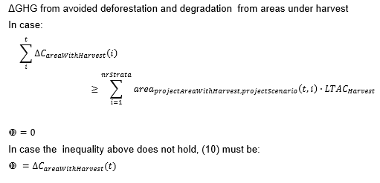 | 0 | Density of carbon stocks in harvested areas in stratum ii in year t. [tCO2 ha-1] |  | Baseline Scenario | Project Scenario | Discounting factor for NERs from avoided deforestation, based on the accuracy of classification, i.e. dividing land into broad land use types. | Discounting factor for all emission reductions, based on the uncertainty of biomass inventory related to transition (i). | Size of strata ii within the project area with harvesting activities during year tt under the project scenario. | Hectares in transition ii within the project area in the harvesting zone, in the reference scenario during year t | Reference rate of deforestation/degradation within the project area during year t of the crediting period. [hayr-1] | Long-term average carbon density in harvesting areas. [tCO2e ha-1]. | Carbon density in the harvested area by time and harvested area [tCO2 ha-1]. | uncertainty | project accreditation period | Pastures [tCO2e ha-1] | [tCO2e ha-1] | Total carbon stocks in harvested wood products within the project boundary, at harvest. [MgC] | Forest age ≤ 20 years [tCO2e ha-1] | Forest age > 20 years [tCO2e ha-1]
2017 |  |  |  |  |  | 1.00 | 1.00 | 11,551.45 |  |  | 732.78 | 683.01 | 1.00 | 40.00 | -534.49 | 5.92 | 18,644.84 | 20.17 | 5.68
2018 |  |  |  |  |  | 1.00 | 1.00 | 23,346.86 |  |  |  | 687.04 | 1.00 | 40.00 | -534.49 | 1.66 | 10,567.72
2019 |  |  |  |  |  | 1.00 | 1.00 | 12,090.06 |  |  |  | 687.30 | 1.00 | 40.00 | -534.49 | 5.42 | 17,857.23
2020 | 0.00 | 24,465.69 | 3,067,568.61 | -11,972.79 | 12,492.90 | 1.00 | 1.00 | 4,186.19 | 22.40 | 909.45 |  | 687.12 | 1.00 | 40.00 | -534.49 | 5.86 | 6,695.81
2021 | 0.00 | 55,460.73 | 7,928,960.55 | -33,470.45 | 21,990.28 | 1.00 | 1.00 | 10,820.34 | 62.62 | 983.61 |  | 690.11 | 1.00 | 40.00 | -534.49 | 2.70 | 7,964.82
2022 |  |  |  |  |  | 1.00 | 1.00 | 12,398.98 | - |  |  | 692.14 | 1.00 | 40.00 | -534.49 | 3.65 | 12,346.08
2023 |  |  |  |  |  | 1.00 | 1.00 | 12,398.98 | - |  |  | 694.17 | 1.00 | 40.00 | -534.49 | 3.65 | 12,346.08
2024 |  |  |  |  |  | 1.00 | 1.00 | 12,398.98 | - |  |  | 696.20 | 1.00 | 40.00 | -534.49 | 3.65 | 12,346.08
2025 |  |  |  |  |  | 1.00 | 1.00 | 12,398.98 | - |  |  | 698.24 | 1.00 | 40.00 | -534.49 | 3.65 | 12,346.08
2026 |  |  |  |  |  | 1.00 | 1.00 | 12,398.98 | - |  |  | 700.27 | 1.00 | 40.00 | -534.49 | 3.65 | 12,346.08
 |  |  |  |  |  |  |  |  |  |  |  | 703.25
 |  |  |  |  |  |  |  |  |  |  |  | 706.24
 |  |  |  |  |  |  |  |  |  |  |  | 709.22
 |  |  |  |  |  |  |  |  |  |  |  | 712.20
 |  |  |  |  |  |  |  |  |  |  |  | 715.19
 |  |  |  |  |  |  |  |  |  |  |  | 718.17
 |  |  |  |  |  |  |  |  |  |  |  | 721.16
 |  |  |  |  |  |  |  |  |  |  |  | 724.14
 |  |  |  |  |  |  |  |  |  |  |  | 727.13
 |  |  |  |  |  |  |  |  |  |  |  | 730.11
 |  |  |  |  |  |  |  |  |  |  |  | 733.09
 |  |  |  |  |  |  |  |  |  |  |  | 736.08
 |  |  |  |  |  |  |  |  |  |  |  | 739.06
 |  |  |  |  |  |  |  |  |  |  |  | 742.05
 |  |  |  |  |  |  |  |  |  |  |  | 745.03
 |  |  |  |  |  |  |  |  |  |  |  | 748.02
 |  |  |  |  |  |  |  |  |  |  |  | 751.00
 |  |  |  |  |  |  |  |  |  |  |  | 753.98
 |  |  |  |  |  |  |  |  |  |  |  | 756.97
 |  |  |  |  |  |  |  |  |  |  |  | 759.95
 |  |  |  |  |  |  |  |  |  |  |  | 762.94
 |  |  |  |  |  |  |  |  |  |  |  | 765.92
 |  |  |  |  |  |  |  |  |  |  |  | 768.91
 |  |  |  |  |  |  |  |  |  |  |  | 771.89
 |  |  |  |  |  |  |  |  |  |  |  | 774.88
 |  |  |  |  |  |  |  |  |  |  |  | 777.86
 |  |  |  |  |  |  |  |  |  |  |  | 780.84
 |  |  |  |  |  |  |  |  |  |  |  | 783.83
 |  |  |  |  |  |  |  |  |  |  |  | 786.81
 |  |  |  |  |  |  |  |  |  |  |  | 789.80
 |  |  |  |  |  |  |  |  |  |  |  | 29311.32

NERs
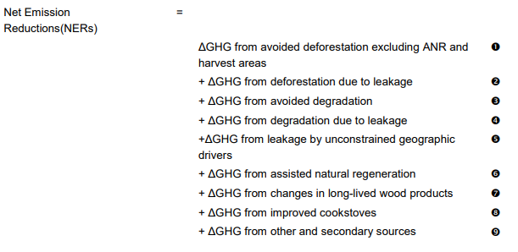
Year | Net Emission Reductions (NERs) | 1 | 2 | 7 | 10 | 3 | 4 | 5 | 6 | 8 | 9
2020 | 498,581 | 474,115.47 | 0.00 | 0.00 | 24,465.69 | 0.00 | 0.00 | 0.00 | 0.00 | 0.00 | 0.00
2021 | 547,716 | 492,255.29 | 0.00 | 0.00 | 55,460.73 | 0.00 | 0.00 | 0.00 | 0.00 | 0.00 | 0.00
TOTAL | 1,046,297
PROMEDIO | 523,148.5

