Emission Factors
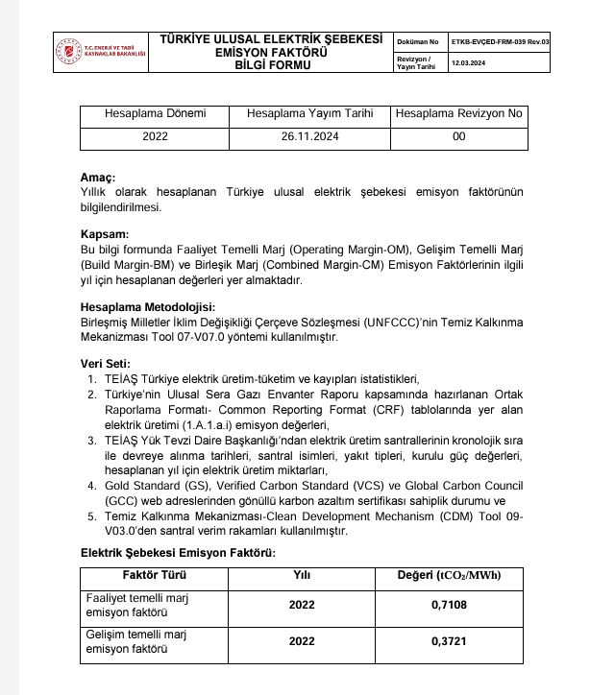
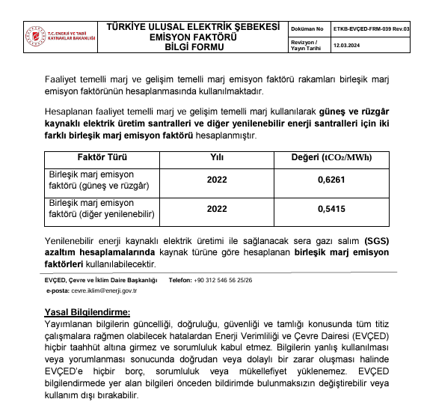
Factor | (tCO2/MWh)
OM | 0.7108 | Reference:
BM | 0.3721 | https://enerji.gov.tr//Media/Dizin/EVCED/tr/%C3%87evreVe%C4%B0klim/%C4%B0klimDe%C4%9Fi%C5%9Fikli%C4%9Fi/TUESEmisyonFktr/Belgeler/Bform2020.pdf
CM | 0.4568

Wom | 0.25
Wbm | 0.75

