Emission Calculations
 |  |  | Reference
Parameter | SI Unit | Result | "Turkish National Grid Emission Factor Factsheet" document of Turkey's Energy and Natural Resources Ministry
EFGrid,OM,y | tCO2/MWh | 0.7108 | https://enerji.gov.tr//Media/Dizin/EVCED/tr/ÇevreVeİklim/İklimDeğişikliği/TUESEmisyonFktr/Belgeler/Sebeke_EF_Bilgi_Formu_2022.pdf
EFGrid,BM,y | tCO2/MWh | 0.3721 | https://enerji.gov.tr//Media/Dizin/EVCED/tr/ÇevreVeİklim/İklimDeğişikliği/TUESEmisyonFktr/Belgeler/Sebeke_EF_Bilgi_Formu_2022.pdf
EFGrid,CM,y | tCO2/MWh | 0.4568 | According to tool 7-version 07-section 6.6.1 CM for second crediting period hydro project is calculated as demonstrated in cell D5.

Electricity Generation |  | 241,098 | Generation License |  | 2025-08-13 | 2025-12-31 | 141
 |  |  |  |  | 2035-01-01 | 2035-08-12 | 224
Annual CO2 Emission Reductions |  | 110,127
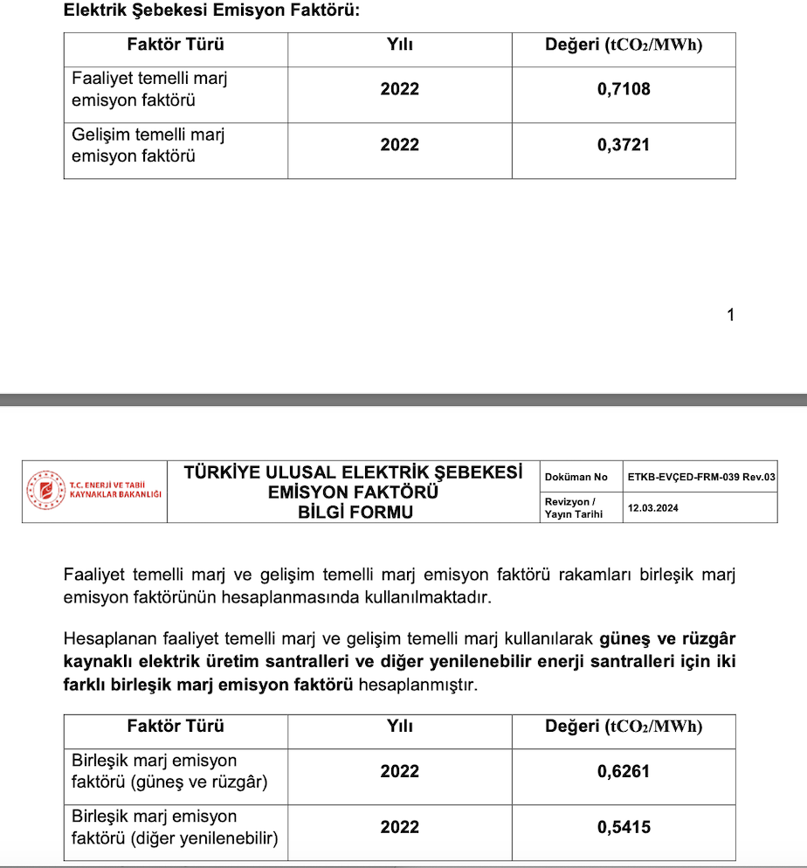
 |  | Estimation of overall emission reductions (tonnes of CO2e) | Estimation of baseline emissions (tonnes of CO2e) | Estimation of project activity emissions (tonnes of CO2e) | Estimation of leakage (tonnes of CO2e)

13/08/2025-31/12/2025 |  | 42,542 | 42,542 | 0 | 0
2026 |  | 110,127 | 110,127 | 0 | 0
2027 |  | 110,127 | 110,127 | 0 | 0
2028 |  | 110,127 | 110,127 | 0 | 0
2029 |  | 110,127 | 110,127 | 0 | 0
2030 |  | 110,127 | 110,127 | 0 | 0
2031 |  | 110,127 | 110,127 | 0 | 0
2032 |  | 110,127 | 110,127 | 0 | 0
2033 |  | 110,127 | 110,127 | 0 | 0
2034 |  | 110,127 | 110,127 | 0 | 0
1/01/2035-12/08/2035 |  | 67,584 | 67,584 | 0 | 0

Total CO2 Emission Reuctions |  | 1,101,269
Average ER value of 10 years |  | 110,126

