Summary
VPA: 4
MP: 27/12/2018 – 13/03/2023 (Due to deviation request DEV_256, GS VERs can be claimed as of 06/04/2020. Therefore, the ERs accounted for this period (27/12/2018 until 05/04/2020) are equal to zero.)

SDG GOAL | INDICATOR | YEAR OF MONITORING | AURA | FPP ONIL | FPP PATSARI | GIRA | Total
Goal 1: No Poverty | People benefitting from clean cooking technology | 2021 | 24,118 | 2,097 | 5,687 | 2,822 | 34,724
Goal 2: Zero Hunger | Proportion of households that buy food with monetary savings obtained from the purchase of firewood | 2021 | N/A | N/A | N/A | N/A | N/A
 | Proportion of households that obtain income from activities developed in their saved time attributed to the use of the ICS, and whose income is used to purchase food | 2021 | N/A | N/A | N/A | N/A | N/A
Goal 3: Good health and well-being | Proportion of households considering cough occurs less often or no more | 2021 | 99.63% | 100.00% | 100% | 94.44% | 98.52%
 | Proportion of households considering respiratory diseases occur less often or no more | 2021 | 100% | 99.12% | 99.61% | 94.44% | 98.29%
 | Proportion of households considering burns occur less often or no more | 2021 | 100% | 100.00% | 100% | 94.44% | 98.61%
 | Proportion of households considering backaches occur less often or no more | 2021 | 100% | 99.12% | 98.82% | 85.56% | 95.88%
Goal 4: Quality Education | Proportion of children having more time to do their class homework | 2021 | 25.48% | 39.86% | 42.49% | 16.19% | 31.01%
 | Proportion of children having more time to attend school | 2021 | 27.41% | 37.06% | 41.85% | 16.19% | 30.63%
 | Proportion of beneficiaries who participated in ICS construction | 2021 | 78.60% | 34.21% | 60.78% | 1.11% | 43.68%
 | Proportion of beneficiaries having received capacity-building on the benefits and adequate use of the ICS | 2021 | 96.31% | 91.23% | 90.98% | 24.44% | 75.74%
Goal 7: Affordable and clean energy | Number of clean cooking technologies implemented and used by the project population | 2021 | 4,865 | 436 | 1,145 | 581 | 7,027
Goal 8: Decent work and economic growth | Number of permanent job positions created thanks to the implementation of the project employing local people with a minimum participation rate in the ICS project of 50% | 2021 | 9 | 0 | 0 | 3 | 12
 | Equal pay for work of equal value for both women and men | 2021 | N/A | N/A | N/A | N/A | N/A
Goal 11: Sustainable cities and communities | Amount of firewood saved per age category per ICS | 2021 | 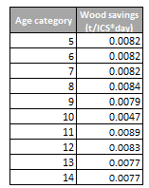 0.0078 | 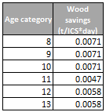 0.0063 | 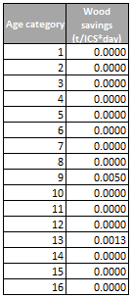 0.0004 | 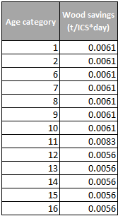 0.0061 | 0.0051
Goal 12: Responsible consumption and production | Quantity of savings in fuel that is reduced per household-day, comparing the baseline scenario and project scenario with ICS | 2021 | 8 | 6 | 0.6 | 6 | 5
 | Proportion of fuel savings achieved by project technologies compared to baseline | 2021 | 50.03% | 56.99% | 3.68% | 54.48% | 41.30%
Goal 13: Climate Action | Number of tCO2e reduced by the project | 2021 | 66,396 | 4,702 | 1,169 | 6,139 | 78,406
Goal 15: Life on land | Number of tons of wood saved by the project | 2021 | 13,517 | 947 | 245 | 1,317 | 16,025
Goal 16: Peace, justice and strong institutions | Proportion of end-users indicating that they are unhappy with their ICS | 2021 | 1.11% | 1.75% | 4.71% | 3.33% | 2.73%
 | Proportion of end-users indicating that they approved the installation of the improved cookstove and that were informed about it | 2021 | 100% | 100% | 100% | 100% | 100%

