GS - SDWS
Gold Standard Safe Drinking Water Supply

SEw,b,y: The specific energy required to boil water using the baseline technology
Efficiency ICS | 30% |  | Assumption
% ICS | 18.6% |  | Baseline survey
Efficiency three stone CS | 10%
% three stone CS | 77.5% |  | Baseline survey
Efficiency other conventional systems using woodyy biomass | 20.0%
% Other conventional system using woody biomass | 2.9% |  | Baseline survey
Efficiency other fossil fuel conventional system | 20.0%
% other other fossil fuel conventional system | 1.0%
hwb | 14.1%
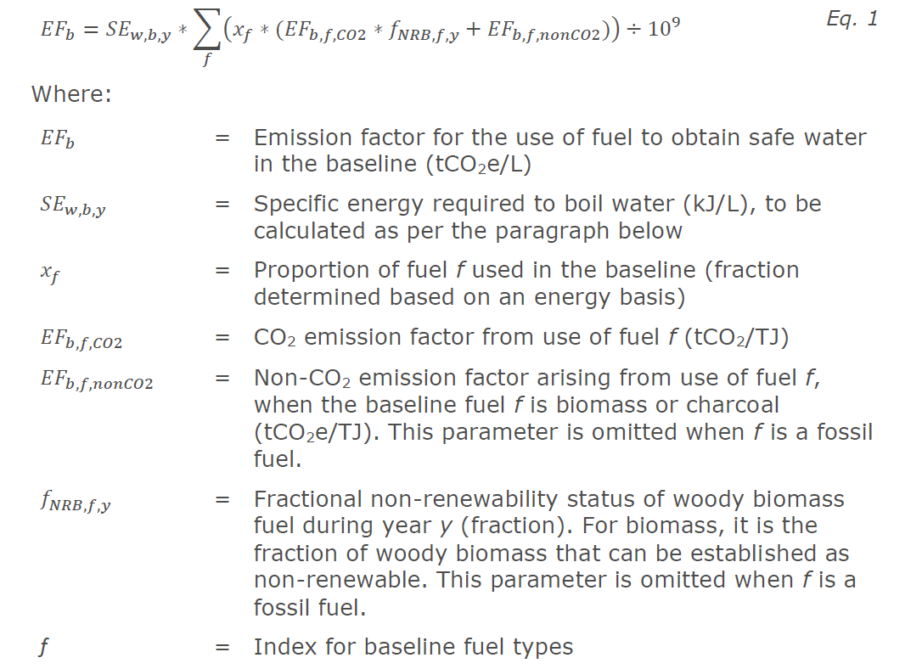
SEw,b,y | 2555.9 | kJ/l

EFb: Emission factor for the use of fuel to obtain safe water in the baseline (tCO2e/L)

x_wood | 97%
EFb,wood,CO2 | 112 | tCO2/TJ
EFb,wood,non CO2 | 8.69 | tCO2/TJ
fNRB | 89.60%
EFb | 0.00027

x_charcoal | 3%
EFb,wood,CO2 | 165.22 | tCO2/TJ
EFb,wood,non CO2 | 44.83 | tCO2/TJ
fNRB | 89.60%
EFb | 0.00001

Efb | 0.00029

Qy: Quantity of safe drinking water provided by the project in year y (L)
Method 1 – Community level Water Treatment (CWT) and Community Water Supply (CWS) technologies

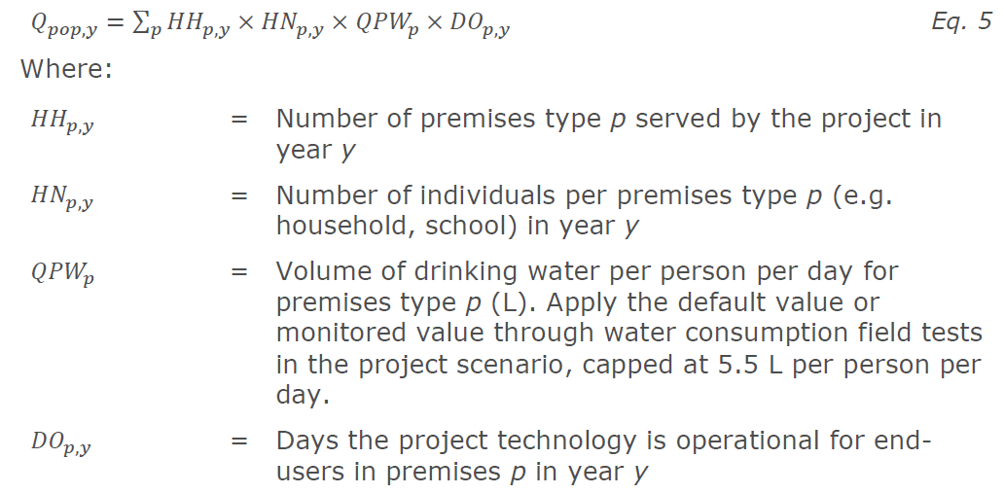
HHp,y * HNp,y | 38,419 | users
QPWp | 5.5 | L/cap/day
Operational availability | 93% | operationnal availability MP4, average all boreholes
DOp,y | 339.45 | days
Qpop,y | 71,727,313 | L

BEy: Baseline emissions from the use of fuel to obtain safe water in the baseline (tCO2e)

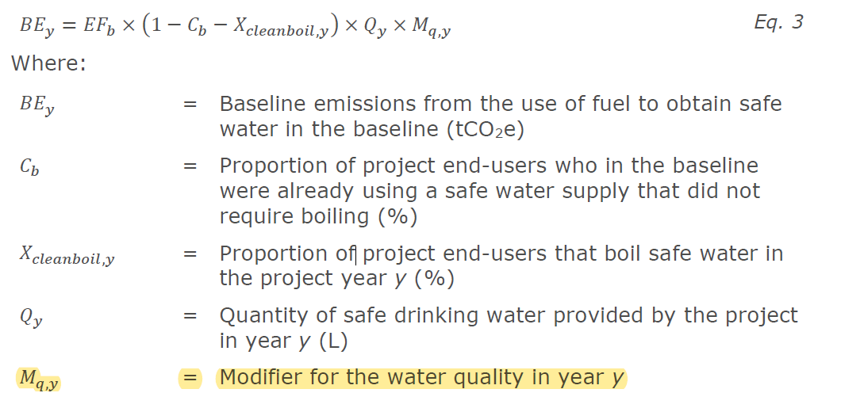
Cb | 18.8% |  | Baseline survey (PDD, Cj) | Cj:Percentage of users of project safe water supply who were already in the baseline using a non-boiling safe water supply)
Xcleanboil,y | 7% |  | MSU4
Mq,y | 100%
BEy | 15,271 |  | tCO2e

Leakage | 0%

Ery | 15,271 |  | tCO2e

 | 0.40 | tCO2/pers

PE: Project Emissions

Project emissions from grid electricity consumption | N/A: No electricity from the grid is consumed by any water point

Project emissions from fossil fuel consumption

FCdiesel,y | Quantity of diesel consumed for pumping water in a standpipe system to the different water points or any other water point in year y | 1472.16 | l | Value from MP4
EFCO2,diesel,y | CO2 emission factor of diesel fuel in year y | 74.1 | tCO2/TJ | Default value as defined in the PDD
Densitydiesel | Density of diesel fuel | 0.00084 | t/l | Default value as defined in the PDD
NCVdiesel,y | Net calorific value of diesel fuel in year y | 0.043 | TJ/ton | Default value as defined in the PDD

 | PE | 4 | tCO2

LE: Leakage Emissions

As per leakage assessment |  | 0 | tCO2

Emission Reduction for the crediting | Year 1 | 15,267 | tCO2
 | Year 2 | 15,267 | tCO2
 | Year 3 | 15,267 | tCO2
 | Year 4 | 15,267 | tCO2
 | Year 5 | 15,267 | tCO2

